Instructions
Champions Tour 2024: Masters Madrid Statistics

 |  |  |  | @goddwana

 |  | Instructions
 |  | You can examine the data in the columns from largest to smallest,
 |  |  |  | I formatted it so that green is the highest and red is the lowest(expect for death)
 |  | You can see the note above the data for an explanation of the KPIs used,

 |  | I will update it at the end of each match day, ENJOY!

 |  |  | datas from rib,gg ,valolytics,gg and scoutli,co




 | ▼ ▼ ▼ ▼ ▼ ▼ ▼ ▼ ▼ ▼ ▼ ▼ ▼ ▼ ▼ ▼ ▼ ▼ ▼ ▼ ▼ ▼ ▼ ▼ ▼ ▼ ▼ ▼ ▼ ▼ ▼ ▼ ▼ ▼ ▼ ▼ ▼ ▼ ▼ ▼ ▼ ▼ |  |  | ▼ ▼ ▼ ▼ ▼ ▼ ▼ ▼ ▼ ▼ ▼ ▼ ▼ ▼ ▼ ▼ ▼ ▼ ▼ ▼ ▼ ▼ ▼ ▼ ▼ ▼ ▼ ▼ ▼ ▼ ▼ ▼ ▼ ▼ ▼ ▼ ▼ ▼ ▼ ▼ ▼ ▼

Karmine Corp
 | FPX | KC |  | Team Win Conditions |  |  |  |  |  |  |  |  | XvY Performance
Ban | Split |  |  | Team | Map Id | Map | Condition | Attacking Wins | Attacking Losses | Defending Wins | Defending Losses |  | Team | Situation | Delta | Win % | Wins | Losses
Ban |  | Breeze |  | Karmine Corp | 4 | Icebox | bomb | 1 | 0 | 0 | 0 |  | Karmine Corp | 5v1 | +4 | 100.00 | 1 | 0
Pick | Icebox |  |  | Karmine Corp | 4 | Icebox | defuse | 0 | 1 | 3 | 0 |  | Karmine Corp | 5v2 | +3 | 100.00 | 1 | 0
Pick |  | Lotus |  | Karmine Corp | 4 | Icebox | kills (post-plant) | 4 | 0 | 0 | 4 |  | Karmine Corp | 4v1 | +3 | 100.00 | 1 | 0
Ban | Bind |  |  | Karmine Corp | 4 | Icebox | kills (pre-plant) | 1 | 2 | 2 | 1 |  | Karmine Corp | 5v3 | +2 | 100.00 | 3 | 0
Ban |  | Ascent |  | Karmine Corp | 4 | Icebox | time | 0 | 0 | 2 | 0 |  | Karmine Corp | 4v2 | +2 | 100.00 | 4 | 0
Decider | Sunset |  |  | Karmine Corp | 11 | Lotus | bomb | 1 | 0 | 0 | 2 |  | Karmine Corp | 3v1 | +2 | 100.00 | 8 | 0
 |  |  |  | Karmine Corp | 11 | Lotus | defuse | 0 | 2 | 3 | 0 |  | Karmine Corp | 5v4 | +1 | 81.25 | 13 | 3
 |  |  |  | Karmine Corp | 11 | Lotus | kills (post-plant) | 5 | 0 | 0 | 4 |  | Karmine Corp | 4v3 | +1 | 83.33 | 5 | 1
 |  |  |  | Karmine Corp | 11 | Lotus | kills (pre-plant) | 3 | 0 | 1 | 2 |  | Karmine Corp | 3v2 | +1 | 100.00 | 7 | 0
 |  |  |  |  |  |  |  |  |  |  |  |  | Karmine Corp | 2v1 | +1 | 100.00 | 5 | 0
 |  |  |  |  |  |  |  |  |  |  |  |  | Karmine Corp | 4v4 | 0 | 66.66 | 4 | 2
 |  |  |  |  |  |  |  |  |  |  |  |  | Karmine Corp | 3v3 | 0 | 77.77 | 7 | 2
 |  |  |  |  |  |  |  |  |  |  |  |  | Karmine Corp | 2v2 | 0 | 100.00 | 4 | 0
 |  |  |  |  |  |  |  |  |  |  |  |  | Karmine Corp | 1v1 | 0 | 66.66 | 4 | 2
 |  |  |  |  |  |  |  |  |  |  |  |  | Karmine Corp | 4v5 | -1 | 46.15 | 6 | 7
 |  |  |  |  |  |  |  |  |  |  |  |  | Karmine Corp | 3v4 | -1 | 66.66 | 4 | 2
Team Round Performance |  |  |  |  |  | Team Pistol Round Performance |  |  |  |  |  |  | Karmine Corp | 2v3 | -1 | 33.33 | 2 | 4
Team | Map | Wins | Losses | Win Percentage |  | Team | Map | Wins | Losses | Win Percentage |  |  | Karmine Corp | 1v2 | -1 | 0.00 | 0 | 4
Karmine Corp | Icebox | 13 | 8 | 62% |  | Karmine Corp | Icebox | 1 | 1 | 50% |  |  | Karmine Corp | 3v5 | -2 | 50.00 | 2 | 2
Karmine Corp | Lotus | 13 | 10 | 57% |  | Karmine Corp | Lotus | 1 | 1 | 50% |  |  | Karmine Corp | 2v4 | -2 | 0.00 | 0 | 2
 |  |  |  |  |  |  |  |  |  |  |  |  | Karmine Corp | 1v3 | -2 | 0.00 | 0 | 5
 |  |  |  |  |  |  |  |  |  |  |  |  | Karmine Corp | 2v5 | -3 | 0.00 | 0 | 3
Team ATK Side Round Performance |  |  |  |  |  | Team ATK Side Pistol Round Performance |  |  |  |  |  |  | Karmine Corp | 1v4 | -3 | 0.00 | 0 | 2
Team | Map | Wins | Losses | Win Percentage |  | Team | Map | Wins | Losses | Win Percentage |  |  | Karmine Corp | 1v5 | -4 | 0.00 | 0 | 2
Karmine Corp | Icebox | 6 | 3 | 67% |  | Karmine Corp | Icebox | 0 | 1 | 0%
Karmine Corp | Lotus | 9 | 2 | 82% |  | Karmine Corp | Lotus | 1 | 0 | 100%

Team DEF Side Round Performance |  |  |  |  |  | Team DEF Side Pistol Round Performance
Team | Map | Wins | Losses | Win Percentage |  | Team | Map | Wins | Losses | Win Percentage
Karmine Corp | Icebox | 7 | 5 | 58% |  | Karmine Corp | Icebox | 1 | 0 | 100%
Karmine Corp | Lotus | 4 | 8 | 33% |  | Karmine Corp | Lotus | 0 | 1 | 0%

Team Post Plant Performance |  |  |  |  |  |  | *** |  |  |  |  |  | ***
Team | Map | Site | Plants | Percentage Of Total Plants | Post Plant Attacking Wins | Post Plant Attacking Losses | Post Plant Win Percentage | Post Plant Loss Percentage | Opponent Plants | Percentage Of Total Opponent Plants | Post Plant Defending Wins | Post Plant Defending Losses | Post Plant Retake Success Percentage | Post Plant Retake Failure Percentage
Karmine Corp | Icebox | A | 3 | 50.00 | 3 | 0 | 100.00 | 0.00 | 2 | 25.00 | 0 | 2 | 0.00 | 100.00
Karmine Corp | Icebox | B | 3 | 50.00 | 2 | 1 | 67.00 | 33.00 | 6 | 75.00 | 3 | 3 | 50.00 | 50.00
Karmine Corp | Lotus | A | 2 | 22.00 | 1 | 1 | 50.00 | 50.00 | 2 | 18.00 | 0 | 2 | 0.00 | 100.00
Karmine Corp | Lotus | B | 2 | 22.00 | 2 | 0 | 100.00 | 0.00 | 5 | 45.00 | 1 | 4 | 20.00 | 80.00
Karmine Corp | Lotus | C | 5 | 56.00 | 4 | 1 | 80.00 | 20.00 | 4 | 36.00 | 2 | 2 | 50.00 | 50.00

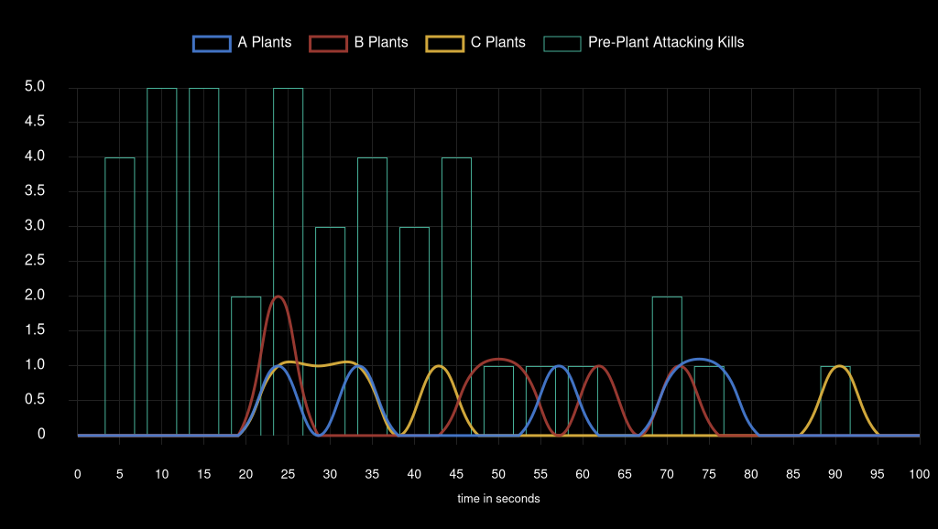
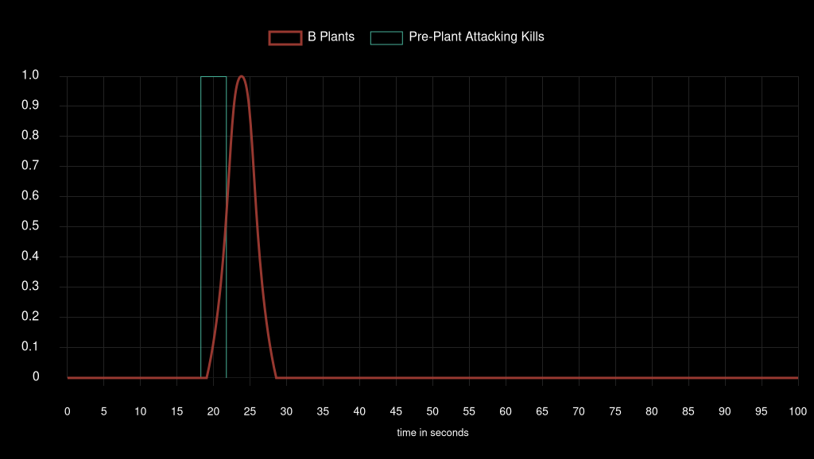
Team Attack Speed |  |  |  |  |  |  |  |  | Team Pistol Attack Speed

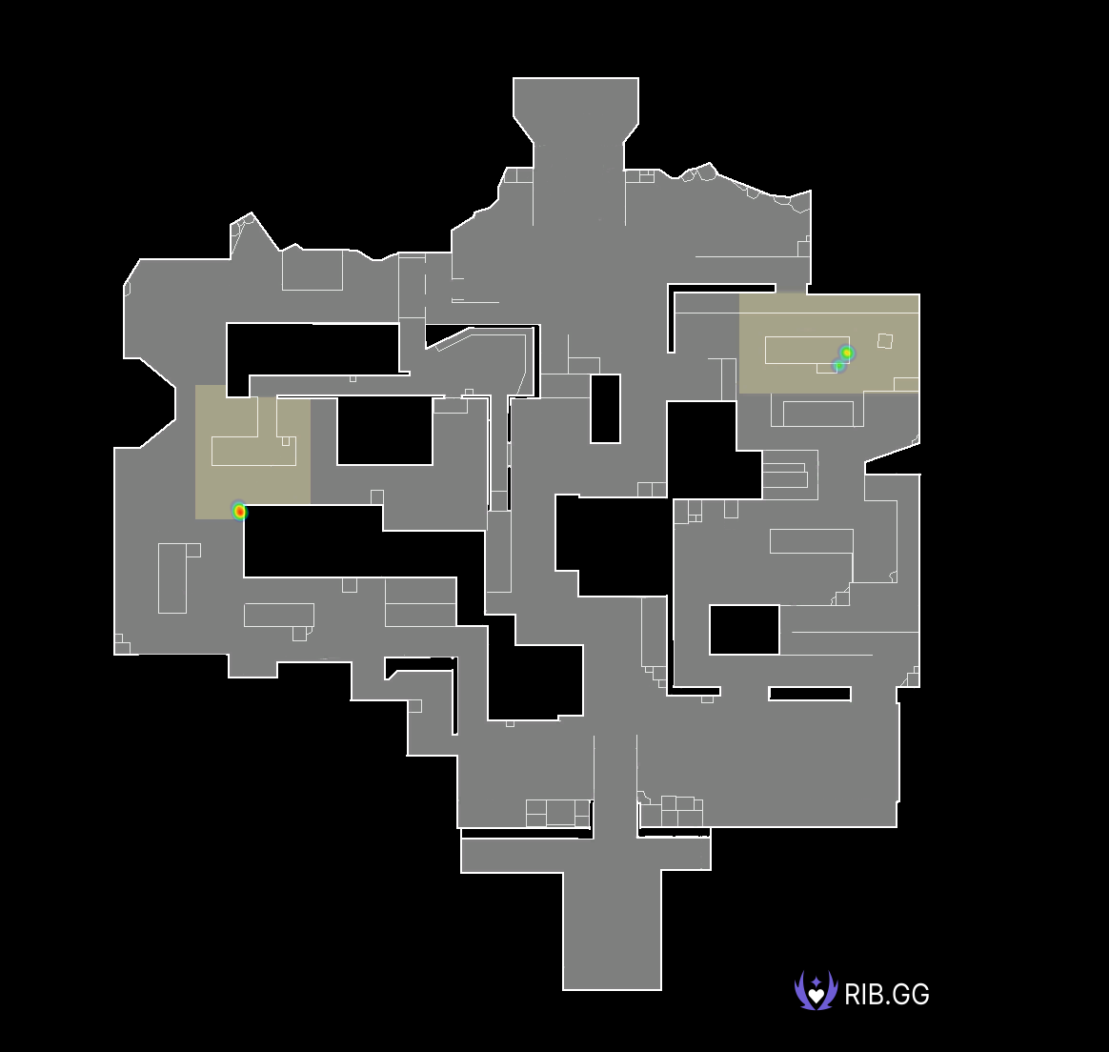
Icebox Plant Locations |  |  |  |  |  |  |  |  | Icebox Pistol Round Plant Locations
 |  |  |  |  |  |  |  |  | NO DATA FOUND |  | NO DATA FOUND |  | NO DATA FOUND |  | NO DATA FOUND

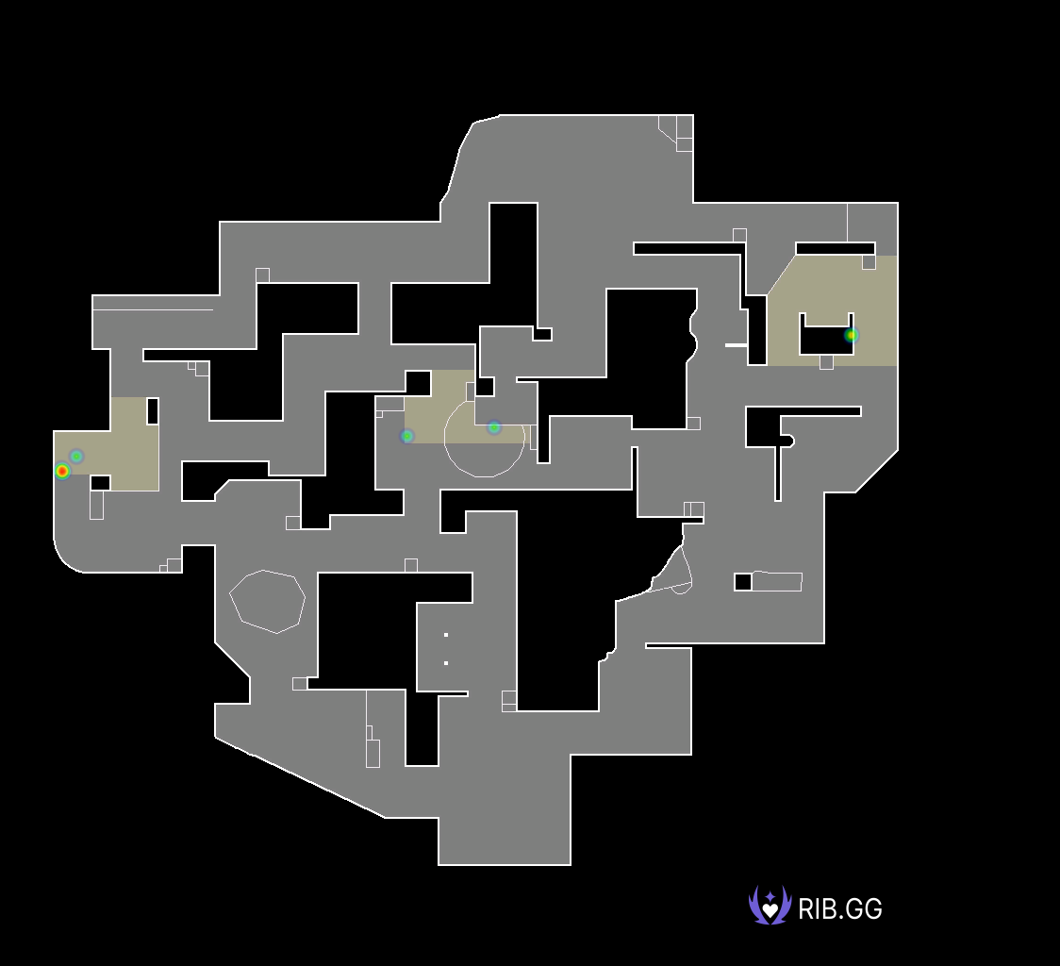
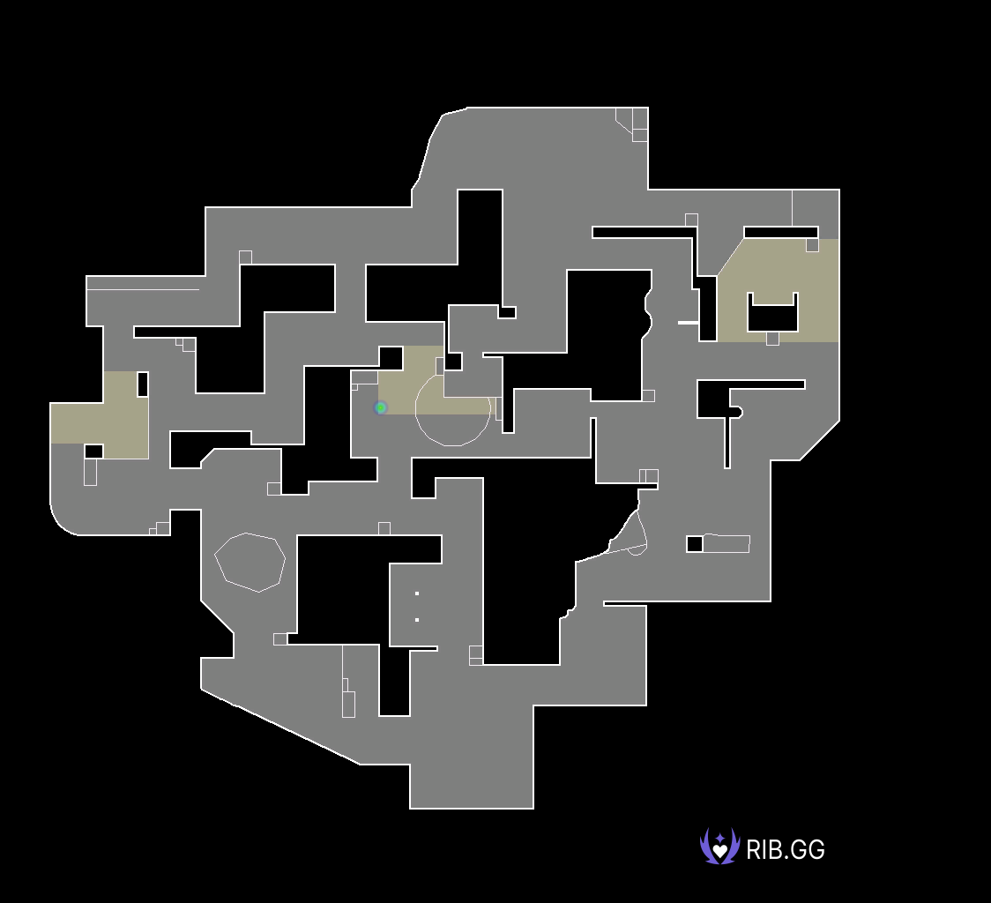
Lotus Plant Locations |  |  |  |  |  |  |  |  | Lotus Pistol Round Plant Locations

FunPlus Phoenix
 | FPX | KC |  | Team Win Conditions |  |  |  |  |  |  |  |  | XvY Performance
Ban | Split |  |  | Team | Map Id | Map | Condition | Attacking Wins | Attacking Losses | Defending Wins | Defending Losses |  | Team | Situation | Delta | Win % | Wins | Losses
Ban |  | Breeze |  | FunPlus Phoenix | 4 | Icebox | bomb | 0 | 0 | 0 | 1 |  | FunPlus Phoenix | 5v1 | +4 | 100.00 | 2 | 0
Pick | Icebox |  |  | FunPlus Phoenix | 4 | Icebox | defuse | 0 | 3 | 1 | 0 |  | FunPlus Phoenix | 5v2 | +3 | 100.00 | 3 | 0
Pick |  | Lotus |  | FunPlus Phoenix | 4 | Icebox | kills (post-plant) | 4 | 0 | 0 | 4 |  | FunPlus Phoenix | 4v1 | +3 | 100.00 | 2 | 0
Ban | Bind |  |  | FunPlus Phoenix | 4 | Icebox | kills (pre-plant) | 1 | 2 | 2 | 1 |  | FunPlus Phoenix | 5v3 | +2 | 50.00 | 2 | 2
Ban |  | Ascent |  | FunPlus Phoenix | 4 | Icebox | time | 0 | 2 | 0 | 0 |  | FunPlus Phoenix | 4v2 | +2 | 100.00 | 2 | 0
Decider | Sunset |  |  | FunPlus Phoenix | 11 | Lotus | bomb | 2 | 0 | 0 | 1 |  | FunPlus Phoenix | 3v1 | +2 | 100.00 | 5 | 0
 |  |  |  | FunPlus Phoenix | 11 | Lotus | defuse | 0 | 3 | 2 | 0 |  | FunPlus Phoenix | 5v4 | +1 | 53.84 | 7 | 6
 |  |  |  | FunPlus Phoenix | 11 | Lotus | kills (post-plant) | 4 | 0 | 0 | 5 |  | FunPlus Phoenix | 4v3 | +1 | 33.33 | 2 | 4
 |  |  |  | FunPlus Phoenix | 11 | Lotus | kills (pre-plant) | 2 | 1 | 0 | 3 |  | FunPlus Phoenix | 3v2 | +1 | 66.66 | 4 | 2
 |  |  |  |  |  |  |  |  |  |  |  |  | FunPlus Phoenix | 2v1 | +1 | 100.00 | 4 | 0
 |  |  |  |  |  |  |  |  |  |  |  |  | FunPlus Phoenix | 4v4 | 0 | 33.33 | 2 | 4
 |  |  |  |  |  |  |  |  |  |  |  |  | FunPlus Phoenix | 3v3 | 0 | 22.22 | 2 | 7
 |  |  |  |  |  |  |  |  |  |  |  |  | FunPlus Phoenix | 2v2 | 0 | 0.00 | 0 | 4
 |  |  |  |  |  |  |  |  |  |  |  |  | FunPlus Phoenix | 1v1 | 0 | 33.33 | 2 | 4
 |  |  |  |  |  |  |  |  |  |  |  |  | FunPlus Phoenix | 4v5 | -1 | 18.75 | 3 | 13
 |  |  |  |  |  |  |  |  |  |  |  |  | FunPlus Phoenix | 3v4 | -1 | 16.66 | 1 | 5
Team Round Performance |  |  |  |  |  | Team Pistol Round Performance |  |  |  |  |  |  | FunPlus Phoenix | 2v3 | -1 | 0.00 | 0 | 7
Team | Map | Wins | Losses | Win Percentage |  | Team | Map | Wins | Losses | Win Percentage |  |  | FunPlus Phoenix | 1v2 | -1 | 0.00 | 0 | 5
FunPlus Phoenix | Icebox | 8 | 13 | 38% |  | FunPlus Phoenix | Icebox | 1 | 1 | 50% |  |  | FunPlus Phoenix | 3v5 | -2 | 0.00 | 0 | 3
FunPlus Phoenix | Lotus | 10 | 13 | 43% |  | FunPlus Phoenix | Lotus | 1 | 1 | 50% |  |  | FunPlus Phoenix | 2v4 | -2 | 0.00 | 0 | 4
 |  |  |  |  |  |  |  |  |  |  |  |  | FunPlus Phoenix | 1v3 | -2 | 0.00 | 0 | 8
 |  |  |  |  |  |  |  |  |  |  |  |  | FunPlus Phoenix | 2v5 | -3 | 0.00 | 0 | 1
Team ATK Side Round Performance |  |  |  |  |  | Team ATK Side Pistol Round Performance |  |  |  |  |  |  | FunPlus Phoenix | 1v4 | -3 | 0.00 | 0 | 1
Team | Map | Wins | Losses | Win Percentage |  | Team | Map | Wins | Losses | Win Percentage |  |  | FunPlus Phoenix | 1v5 | -4 | 0.00 | 0 | 1
FunPlus Phoenix | Icebox | 5 | 7 | 42% |  | FunPlus Phoenix | Icebox | 0 | 1 | 0%
FunPlus Phoenix | Lotus | 8 | 4 | 67% |  | FunPlus Phoenix | Lotus | 1 | 0 | 100%

Team DEF Side Round Performance |  |  |  |  |  | Team DEF Side Pistol Round Performance
Team | Map | Wins | Losses | Win Percentage |  | Team | Map | Wins | Losses | Win Percentage
FunPlus Phoenix | Icebox | 3 | 6 | 33% |  | FunPlus Phoenix | Icebox | 1 | 0 | 100%
FunPlus Phoenix | Lotus | 2 | 9 | 18% |  | FunPlus Phoenix | Lotus | 0 | 1 | 0%

Team Post Plant Performance |  |  |  |  |  |  | *** |  |  |  |  |  | ***
Team | Map | Site | Plants | Percentage Of Total Plants | Post Plant Attacking Wins | Post Plant Attacking Losses | Post Plant Win Percentage | Post Plant Loss Percentage | Opponent Plants | Percentage Of Total Opponent Plants | Post Plant Defending Wins | Post Plant Defending Losses | Post Plant Retake Success Percentage | Post Plant Retake Failure Percentage
FunPlus Phoenix | Icebox | A | 2 | 25.00 | 2 | 0 | 100.00 | 0.00 | 3 | 50.00 | 0 | 3 | 0.00 | 100.00
FunPlus Phoenix | Icebox | B | 6 | 75.00 | 3 | 3 | 50.00 | 50.00 | 3 | 50.00 | 1 | 2 | 33.00 | 67.00
FunPlus Phoenix | Lotus | A | 2 | 18.00 | 2 | 0 | 100.00 | 0.00 | 2 | 22.00 | 1 | 1 | 50.00 | 50.00
FunPlus Phoenix | Lotus | B | 5 | 45.00 | 4 | 1 | 80.00 | 20.00 | 2 | 22.00 | 0 | 2 | 0.00 | 100.00
FunPlus Phoenix | Lotus | C | 4 | 36.00 | 2 | 2 | 50.00 | 50.00 | 5 | 56.00 | 1 | 4 | 20.00 | 80.00

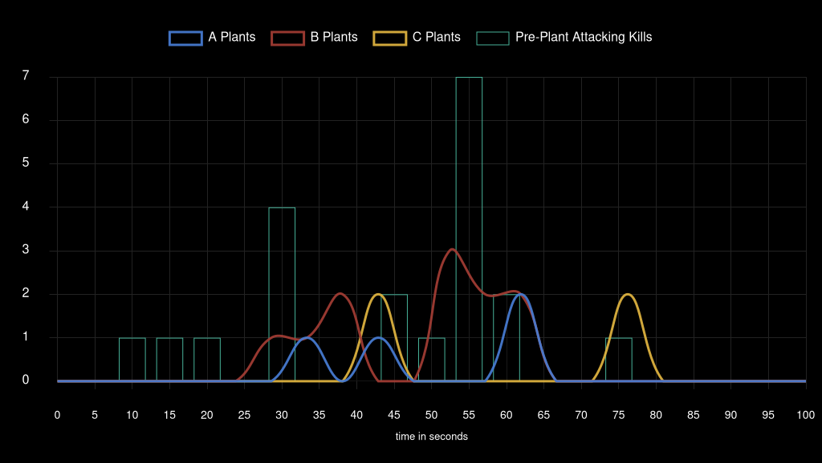
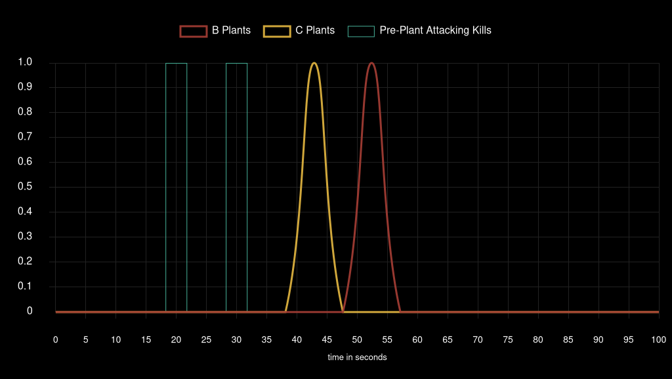
Team Attack Speed |  |  |  |  |  |  |  |  |  | Team Pistol Attack Speed



Icebox Plant Locations |  |  |  |  |  |  |  |  | Icebox Pistol Round Plant Locations



Lotus Plant Locations |  |  |  |  |  |  |  |  | Lotus Pistol Round Plant Locations

LOUD
 | Gen.G | LOUD |  | Team Win Conditions |  |  |  |  |  |  |  |  | XvY Performance
Ban |  | Lotus |  | Team | Map Id | Map | Condition | Attacking Wins | Attacking Losses | Defending Wins | Defending Losses | Defending Losses | Team | Situation | Delta | Win % | Wins | Losses
Ban | Sunset |  |  | LOUD | 1 | Ascent | defuse | 0 | 1 | 1 | 0 | 0 | LOUD | 5v1 | +4 | 100.00 | 6 | 0
Pick |  | Icebox |  | LOUD | 1 | Ascent | kills (post-plant) | 0 | 0 | 0 | 5 | 5 | LOUD | 5v2 | +3 | 100.00 | 7 | 0
Pick | Breeze |  |  | LOUD | 1 | Ascent | kills (pre-plant) | 2 | 3 | 2 | 4 | 4 | LOUD | 4v1 | +3 | 100.00 | 10 | 0
Ban |  | Split |  | LOUD | 8 | Breeze | bomb | 1 | 0 | 0 | 2 | 2 | LOUD | 5v3 | +2 | 100.00 | 6 | 0
Ban | Bind |  |  | LOUD | 8 | Breeze | defuse | 0 | 1 | 3 | 0 | 0 | LOUD | 4v2 | +2 | 77.77 | 7 | 2
Decider | Ascent |  |  | LOUD | 8 | Breeze | kills (post-plant) | 6 | 0 | 0 | 3 | 3 | LOUD | 3v1 | +2 | 100.00 | 7 | 0
 |  |  |  | LOUD | 8 | Breeze | kills (pre-plant) | 2 | 2 | 1 | 0 | 0 | LOUD | 5v4 | +1 | 81.25 | 13 | 3
 |  |  |  | LOUD | 4 | Icebox | bomb | 0 | 0 | 0 | 1 | 1 | LOUD | 4v3 | +1 | 66.66 | 6 | 3
 |  |  |  | LOUD | 4 | Icebox | defuse | 0 | 2 | 3 | 0 | 0 | LOUD | 3v2 | +1 | 42.85 | 3 | 4
 |  |  |  | LOUD | 4 | Icebox | kills (post-plant) | 2 | 0 | 0 | 3 | 3 | LOUD | 2v1 | +1 | 60.00 | 3 | 2
 |  |  |  | LOUD | 4 | Icebox | kills (pre-plant) | 3 | 5 | 3 | 2 | 2 | LOUD | 4v4 | 0 | 47.05 | 8 | 9
 |  |  |  |  |  |  |  |  |  |  |  |  | LOUD | 3v3 | 0 | 30.76 | 4 | 9
 |  |  |  |  |  |  |  |  |  |  |  |  | LOUD | 2v2 | 0 | 33.33 | 3 | 6
 |  |  |  |  |  |  |  |  |  |  |  |  | LOUD | 1v1 | 0 | 0.00 | 0 | 2
 |  |  |  |  |  |  |  |  |  |  |  |  | LOUD | 4v5 | -1 | 31.57 | 6 | 13
 |  |  |  |  |  |  |  |  |  |  |  |  | LOUD | 3v4 | -1 | 18.18 | 2 | 9
Team Round Performance |  |  |  |  |  | Team Pistol Round Performance |  |  |  |  |  |  | LOUD | 2v3 | -1 | 28.57 | 2 | 5
Team | Map | Wins | Losses | Win Percentage |  | Team | Map | Wins | Losses | Win Percentage |  |  | LOUD | 1v2 | -1 | 0.00 | 0 | 7
LOUD | Ascent | 5 | 13 | 28% |  | LOUD | Ascent | 1 | 1 | 50% |  |  | LOUD | 3v5 | -2 | 2024-11-11 | 1 | 8
LOUD | Breeze | 13 | 8 | 62% |  | LOUD | Breeze | 2 | 0 | 100% |  |  | LOUD | 2v4 | -2 | 28.57 | 2 | 5
LOUD | Icebox | 11 | 13 | 46% |  | LOUD | Icebox | 1 | 1 | 50% |  |  | LOUD | 1v3 | -2 | 0.00 | 0 | 7
 |  |  |  |  |  |  |  |  |  |  |  |  | LOUD | 2v5 | -3 | 0.00 | 0 | 5
Team ATK Side Round Performance |  |  |  |  |  | Team ATK Side Pistol Round Performance |  |  |  |  |  |  | LOUD | 1v4 | -3 | 0.00 | 0 | 5
Team | Map | Wins | Losses | Win Percentage |  | Team | Map | Wins | Losses | Win Percentage |  |  | LOUD | 1v5 | -4 | 0.00 | 0 | 2
LOUD | Ascent | 2 | 4 | 33% |  | LOUD | Ascent | 1 | 0 | 100%
LOUD | Breeze | 9 | 3 | 75% |  | LOUD | Breeze | 1 | 0 | 100%
LOUD | Icebox | 5 | 7 | 42% |  | LOUD | Icebox | 0 | 1 | 0%

Team DEF Side Round Performance |  |  |  |  |  | Team DEF Side Pistol Round Performance
Team | Map | Wins | Losses | Win Percentage |  | Team | Map | Wins | Losses | Win Percentage
LOUD | Ascent | 3 | 9 | 25% |  | LOUD | Ascent | 0 | 1 | 0%
LOUD | Breeze | 4 | 5 | 44% |  | LOUD | Breeze | 1 | 0 | 100%
LOUD | Icebox | 6 | 6 | 50% |  | LOUD | Icebox | 1 | 0 | 100%

Team Post Plant Performance |  |  |  |  |  |  | *** |  |  |  |  |  | ***
Team | Map | Site | Plants | Percentage Of Total Plants | Post Plant Attacking Wins | Post Plant Attacking Losses | Post Plant Win Percentage | Post Plant Loss Percentage | Opponent Plants | Percentage Of Total Opponent Plants | Post Plant Defending Wins | Post Plant Defending Losses | Post Plant Retake Success Percentage | Post Plant Retake Failure Percentage
LOUD | Ascent | A | 1 | 100.00 | 0 | 1 | 0.00 | 100.00 | 5 | 71.00 | 1 | 4 | 20.00 | 80.00
LOUD | Ascent | B | 0 | 0.00 | 0 | 0 | 0 | 0 | 2 | 29.00 | 0 | 2 | 0.00 | 100.00
LOUD | Breeze | A | 6 | 75.00 | 5 | 1 | 83.00 | 17.00 | 6 | 75.00 | 3 | 3 | 50.00 | 50.00
LOUD | Breeze | B | 2 | 25.00 | 2 | 0 | 100.00 | 0.00 | 2 | 25.00 | 0 | 2 | 0.00 | 100.00
LOUD | Icebox | A | 2 | 50.00 | 1 | 1 | 50.00 | 50.00 | 6 | 75.00 | 1 | 5 | 17.00 | 83.00
LOUD | Icebox | B | 2 | 50.00 | 1 | 1 | 50.00 | 50.00 | 2 | 25.00 | 2 | 0 | 100.00 | 0.00

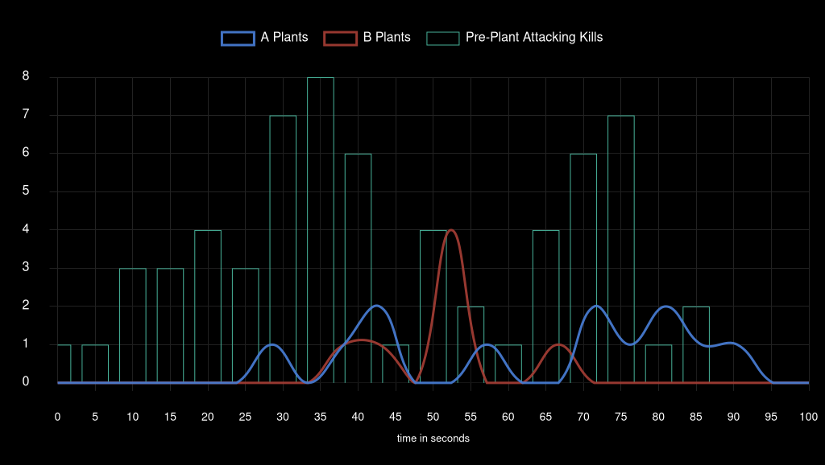
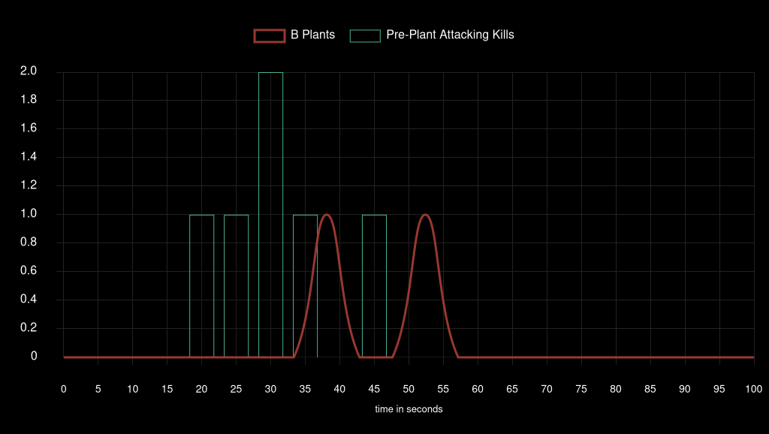
Team Attack Speed |  |  |  |  |  |  |  |  |  | Team Pistol Attack Speed

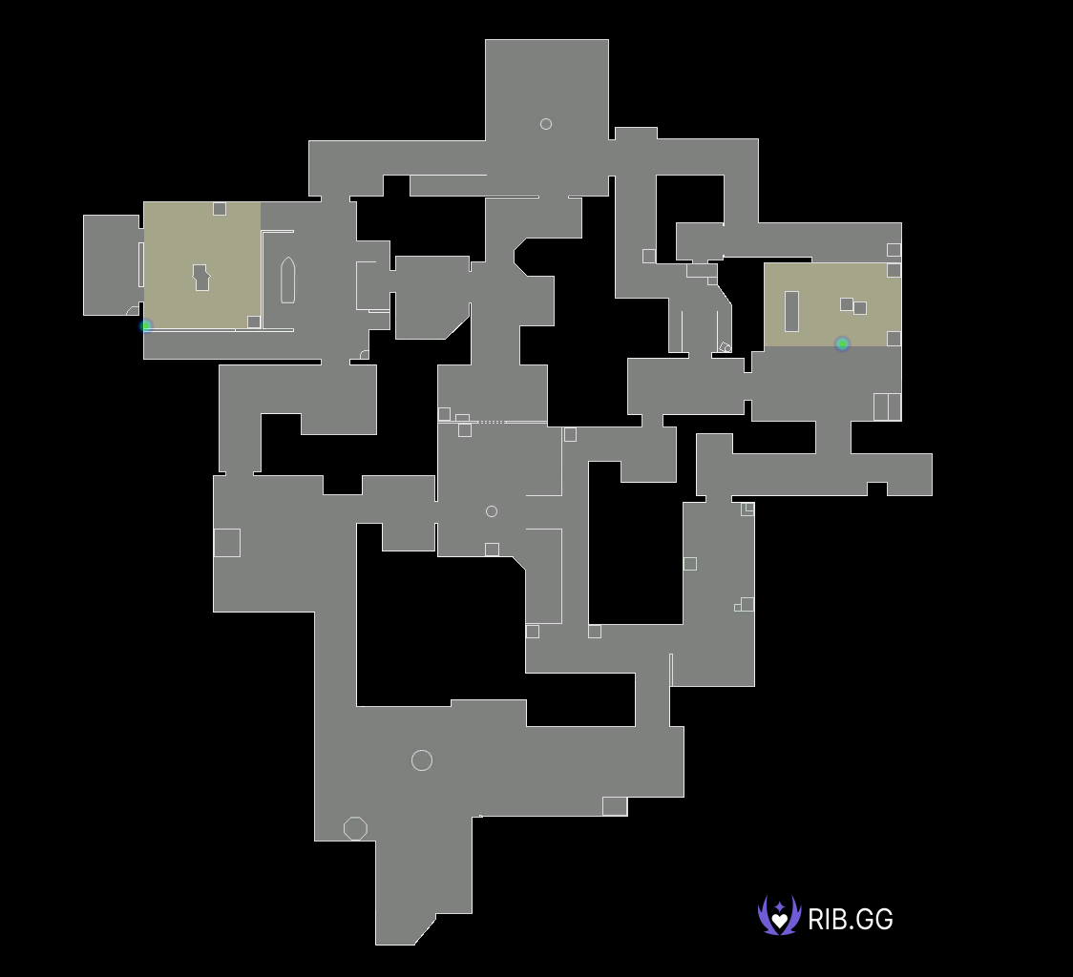

Ascent Plant Locations |  |  |  |  |  |  |  |  | Ascent Pistol Round Plant Locations

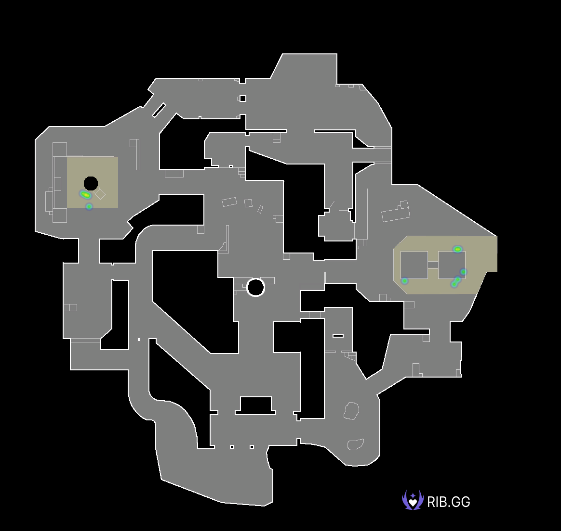

Breeze Plant Locations |  |  |  |  |  |  |  |  | Breeze Pistol Round Plant Locations


Icebox Plant Locations |  |  |  |  |  |  |  |  | Icebox Pistol Round Plant Locations
 |  |  |  |  |  |  |  |  | NO DATA FOUND |  | NO DATA FOUND |  | NO DATA FOUND |  | NO DATA FOUND

Gen.G
 | Gen.G | LOUD |  | Team Win Conditions |  |  |  |  |  |  |  |  | XvY Performance
Ban |  | Lotus |  | Team | Map Id | Map | Condition | Attacking Wins | Attacking Losses | Defending Wins | Defending Losses |  | Team | Situation | Delta | Win % | Wins | Losses
Ban | Sunset |  |  | Gen.G Esports | 1 | Ascent | defuse | 0 | 1 | 1 | 0 |  | Gen.G Esports | 5v1 | +4 | 100.00 | 2 | 0
Pick |  | Icebox |  | Gen.G Esports | 1 | Ascent | kills (post-plant) | 5 | 0 | 0 | 0 |  | Gen.G Esports | 5v2 | +3 | 100.00 | 5 | 0
Pick | Breeze |  |  | Gen.G Esports | 1 | Ascent | kills (pre-plant) | 4 | 2 | 3 | 2 |  | Gen.G Esports | 4v1 | +3 | 100.00 | 5 | 0
Ban |  | Split |  | Gen.G Esports | 8 | Breeze | bomb | 2 | 0 | 0 | 1 |  | Gen.G Esports | 5v3 | +2 | 88.88 | 8 | 1
Ban | Bind |  |  | Gen.G Esports | 8 | Breeze | defuse | 0 | 3 | 1 | 0 |  | Gen.G Esports | 4v2 | +2 | 71.42 | 5 | 2
Decider | Ascent |  |  | Gen.G Esports | 8 | Breeze | kills (post-plant) | 3 | 0 | 0 | 6 |  | Gen.G Esports | 3v1 | +2 | 100.00 | 7 | 0
 |  |  |  | Gen.G Esports | 8 | Breeze | kills (pre-plant) | 0 | 1 | 2 | 2 |  | Gen.G Esports | 5v4 | +1 | 68.42 | 13 | 6
 |  |  |  | Gen.G Esports | 4 | Icebox | bomb | 1 | 0 | 0 | 0 |  | Gen.G Esports | 4v3 | +1 | 81.81 | 9 | 2
 |  |  |  | Gen.G Esports | 4 | Icebox | defuse | 0 | 3 | 2 | 0 |  | Gen.G Esports | 3v2 | +1 | 71.42 | 5 | 2
 |  |  |  | Gen.G Esports | 4 | Icebox | kills (post-plant) | 3 | 0 | 0 | 2 |  | Gen.G Esports | 2v1 | +1 | 100.00 | 7 | 0
 |  |  |  | Gen.G Esports | 4 | Icebox | kills (pre-plant) | 2 | 3 | 5 | 3 |  | Gen.G Esports | 4v4 | 0 | 52.94 | 9 | 8
 |  |  |  |  |  |  |  |  |  |  |  |  | Gen.G Esports | 3v3 | 0 | 69.23 | 9 | 4
 |  |  |  |  |  |  |  |  |  |  |  |  | Gen.G Esports | 2v2 | 0 | 66.66 | 6 | 3
 |  |  |  |  |  |  |  |  |  |  |  |  | Gen.G Esports | 1v1 | 0 | 100.00 | 2 | 0
 |  |  |  |  |  |  |  |  |  |  |  |  | Gen.G Esports | 4v5 | -1 | 18.75 | 3 | 13
 |  |  |  |  |  |  |  |  |  |  |  |  | Gen.G Esports | 3v4 | -1 | 33.33 | 3 | 6
Team Round Performance |  |  |  |  |  | Team Pistol Round Performance |  |  |  |  |  |  | Gen.G Esports | 2v3 | -1 | 57.14 | 4 | 3
Team | Map | Wins | Losses | Win Percentage |  | Team | Map | Wins | Losses | Win Percentage |  |  | Gen.G Esports | 1v2 | -1 | 40.00 | 2 | 3
Gen.G Esports | Ascent | 13 | 5 | 72% |  | Gen.G Esports | Ascent | 1 | 1 | 50% |  |  | Gen.G Esports | 3v5 | -2 | 0.00 | 0 | 6
Gen.G Esports | Breeze | 8 | 13 | 38% |  | Gen.G Esports | Breeze | 0 | 2 | 0% |  |  | Gen.G Esports | 2v4 | -2 | 22.22 | 2 | 7
Gen.G Esports | Icebox | 13 | 11 | 54% |  | Gen.G Esports | Icebox | 1 | 1 | 50% |  |  | Gen.G Esports | 1v3 | -2 | 0.00 | 0 | 7
 |  |  |  |  |  |  |  |  |  |  |  |  | Gen.G Esports | 2v5 | -3 | 0.00 | 0 | 7
Team ATK Side Round Performance |  |  |  |  |  | Team ATK Side Pistol Round Performance |  |  |  |  |  |  | Gen.G Esports | 1v4 | -3 | 0.00 | 0 | 10
Team | Map | Wins | Losses | Win Percentage |  | Team | Map | Wins | Losses | Win Percentage |  |  | Gen.G Esports | 1v5 | -4 | 0.00 | 0 | 6
Gen.G Esports | Ascent | 9 | 3 | 75% |  | Gen.G Esports | Ascent | 1 | 0 | 100%
Gen.G Esports | Breeze | 5 | 4 | 56% |  | Gen.G Esports | Breeze | 0 | 1 | 0%
Gen.G Esports | Icebox | 6 | 6 | 50% |  | Gen.G Esports | Icebox | 0 | 1 | 0%

Team DEF Side Round Performance |  |  |  |  |  | Team DEF Side Pistol Round Performance
Team | Map | Wins | Losses | Win Percentage |  | Team | Map | Wins | Losses | Win Percentage
Gen.G Esports | Ascent | 4 | 2 | 67% |  | Gen.G Esports | Ascent | 0 | 1 | 0%
Gen.G Esports | Breeze | 3 | 9 | 25% |  | Gen.G Esports | Breeze | 0 | 1 | 0%
Gen.G Esports | Icebox | 7 | 5 | 58% |  | Gen.G Esports | Icebox | 1 | 0 | 100%

Team Post Plant Performance |  |  |  |  |  |  | *** |  |  |  |  |  | ***
Team | Map | Site | Plants | Percentage Of Total Plants | Post Plant Attacking Wins | Post Plant Attacking Losses | Post Plant Win Percentage | Post Plant Loss Percentage | Opponent Plants | Percentage Of Total Opponent Plants | Post Plant Defending Wins | Post Plant Defending Losses | Post Plant Retake Success Percentage | Post Plant Retake Failure Percentage
Gen.G Esports | Ascent | A | 5 | 71.00 | 4 | 1 | 80.00 | 20.00 | 1 | 100.00 | 1 | 0 | 100.00 | 0.00
Gen.G Esports | Ascent | B | 2 | 29.00 | 2 | 0 | 100.00 | 0.00 | 0 | 0.00 | 0 | 0 | 0 | 0
Gen.G Esports | Breeze | A | 6 | 75.00 | 3 | 3 | 50.00 | 50.00 | 6 | 75.00 | 1 | 5 | 17.00 | 83.00
Gen.G Esports | Breeze | B | 2 | 25.00 | 2 | 0 | 100.00 | 0.00 | 2 | 25.00 | 0 | 2 | 0.00 | 100.00
Gen.G Esports | Icebox | A | 6 | 75.00 | 5 | 1 | 83.00 | 17.00 | 2 | 50.00 | 1 | 1 | 50.00 | 50.00
Gen.G Esports | Icebox | B | 2 | 25.00 | 0 | 2 | 0.00 | 100.00 | 2 | 50.00 | 1 | 1 | 50.00 | 50.00

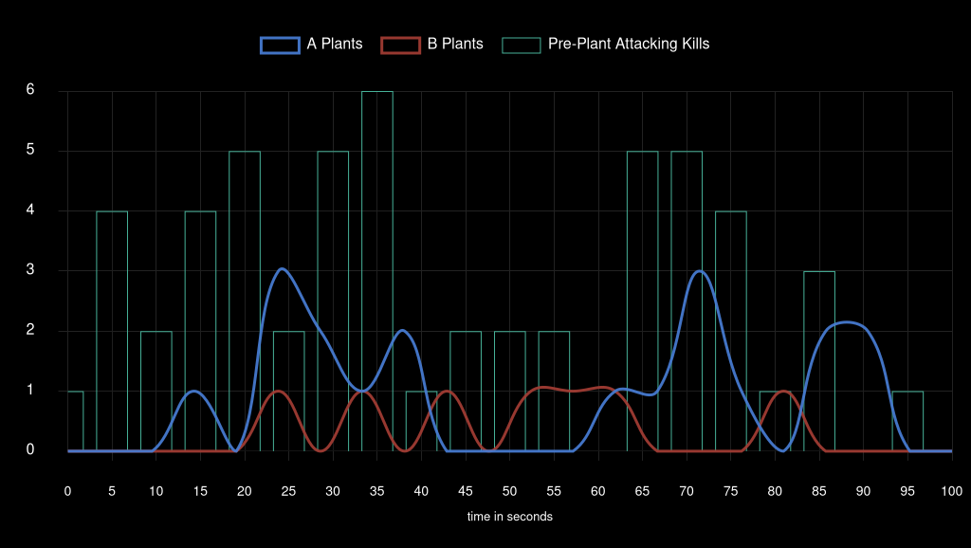
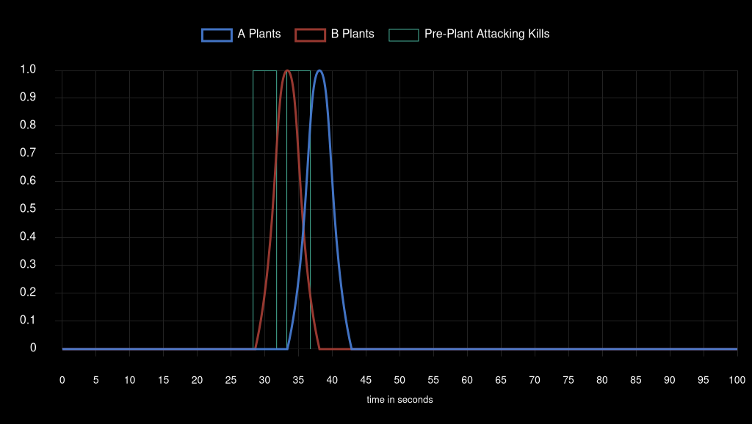
Team Attack Speed |  |  |  |  |  |  |  |  |  | Team Pistol Attack Speed

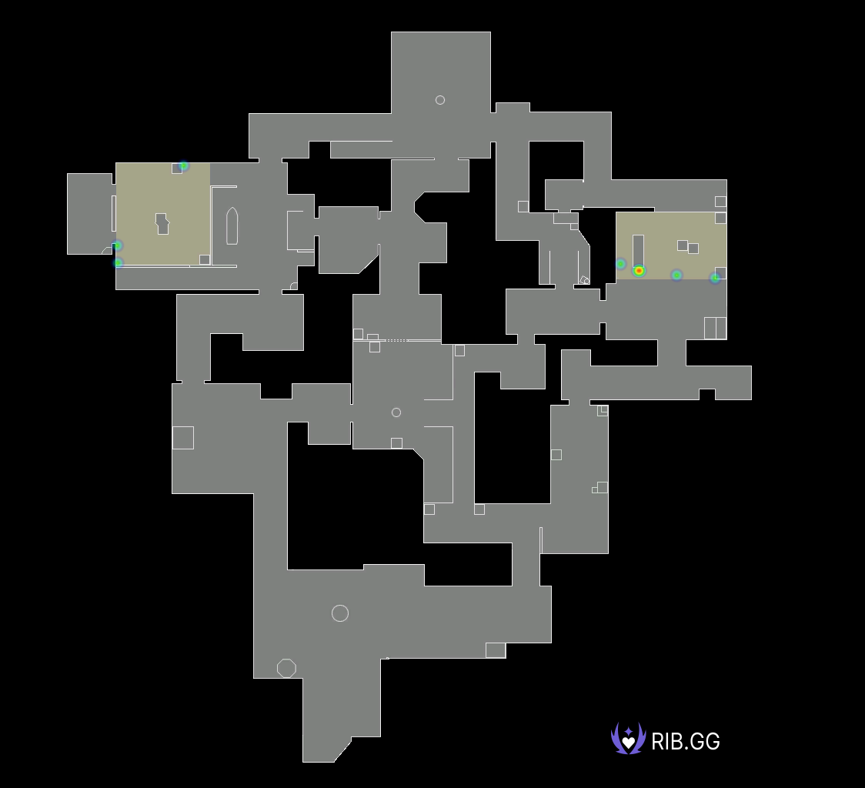
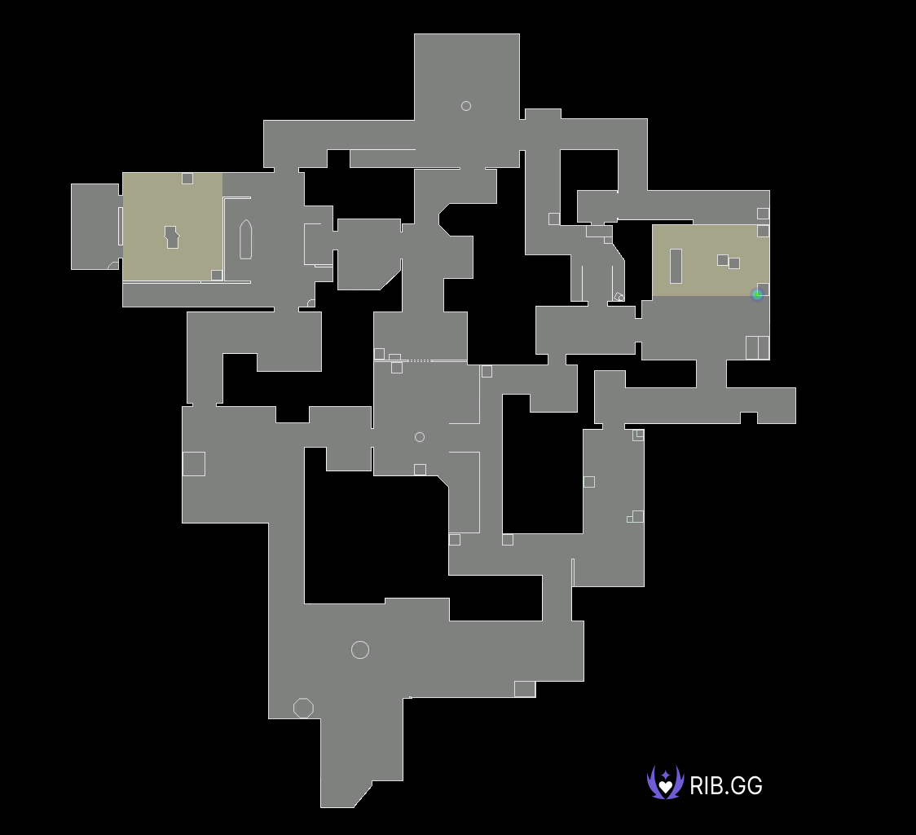
Ascent Plant Locations |  |  |  |  |  |  |  |  | Ascent Pistol Round Plant Locations


Breeze Plant Locations |  |  |  |  |  |  |  |  | Breeze Pistol Round Plant Locations
 |  |  |  |  |  |  |  |  | NO DATA FOUND |  | NO DATA FOUND |  | NO DATA FOUND |  | NO DATA FOUND



Icebox Plant Locations |  |  |  |  |  |  |  |  | Icebox Pistol Round Plant Locations

Sentinels
 | SEN | TH |  | Team Win Conditions |  |  |  |  |  |  |  |  | XvY Performance
Ban | Breeze |  |  | Team | Map Id | Map | Condition | Attacking Wins | Attacking Losses | Defending Wins | Defending Losses | Defending Losses | Team | Situation | Delta | Win % | Wins | Losses
Ban |  | Ascent |  | Sentinels | 3 | Bind | bomb | 1 | 0 | 0 | 3 | 3 | Sentinels | 5v1 | +4 | 100.00 | 3 | 0
Pick | Lotus |  |  | Sentinels | 3 | Bind | defuse | 0 | 4 | 4 | 0 | 0 | Sentinels | 5v2 | +3 | 100.00 | 2 | 0
Pick |  | Sunset |  | Sentinels | 3 | Bind | kills (post-plant) | 4 | 0 | 0 | 2 | 2 | Sentinels | 4v1 | +3 | 100.00 | 3 | 0
Ban | İcebox |  |  | Sentinels | 3 | Bind | kills (pre-plant) | 1 | 2 | 3 | 0 | 0 | Sentinels | 5v3 | +2 | 100.00 | 4 | 0
Ban |  | Split |  | Sentinels | 11 | Lotus | bomb | 0 | 0 | 0 | 2 | 2 | Sentinels | 4v2 | +2 | 100.00 | 3 | 0
Decider | Bind |  |  | Sentinels | 11 | Lotus | defuse | 0 | 1 | 1 | 0 | 0 | Sentinels | 3v1 | +2 | 100.00 | 8 | 0
 |  |  |  | Sentinels | 11 | Lotus | kills (post-plant) | 6 | 0 | 0 | 5 | 5 | Sentinels | 5v4 | +1 | 76.47 | 13 | 4
 |  |  |  | Sentinels | 11 | Lotus | kills (pre-plant) | 3 | 0 | 3 | 1 | 1 | Sentinels | 4v3 | +1 | 80.00 | 12 | 3
 |  |  |  | Sentinels | 12 | Sunset | bomb | 0 | 0 | 0 | 1 | 1 | Sentinels | 3v2 | +1 | 88.88 | 8 | 1
 |  |  |  | Sentinels | 12 | Sunset | defuse | 0 | 7 | 1 | 0 | 0 | Sentinels | 2v1 | +1 | 100.00 | 9 | 0
 |  |  |  | Sentinels | 12 | Sunset | kills (post-plant) | 3 | 0 | 0 | 2 | 2 | Sentinels | 4v4 | 0 | 50.00 | 5 | 5
 |  |  |  | Sentinels | 12 | Sunset | kills (pre-plant) | 1 | 1 | 0 | 2 | 2 | Sentinels | 3v3 | 0 | 58.33 | 7 | 5
 |  |  |  |  |  |  |  |  |  |  |  |  | Sentinels | 2v2 | 0 | 53.84 | 7 | 6
 |  |  |  |  |  |  |  |  |  |  |  |  | Sentinels | 1v1 | 0 | 85.71 | 6 | 1
 |  |  |  |  |  |  |  |  |  |  |  |  | Sentinels | 4v5 | -1 | 14.28 | 2 | 12
 |  |  |  |  |  |  |  |  |  |  |  |  | Sentinels | 3v4 | -1 | 27.27 | 3 | 8
Team Round Performance |  |  |  |  |  | Team Pistol Round Performance |  |  |  |  |  |  | Sentinels | 2v3 | -1 | 33.33 | 3 | 6
Team | Map | Wins | Losses | Win Percentage |  | Team | Map | Wins | Losses | Win Percentage |  |  | Sentinels | 1v2 | -1 | 33.33 | 2 | 4
Sentinels | Bind | 13 | 11 | 54% |  | Sentinels | Bind | 1 | 1 | 50% |  |  | Sentinels | 3v5 | -2 | 0.00 | 0 | 8
Sentinels | Lotus | 13 | 9 | 59% |  | Sentinels | Lotus | 2 | 0 | 100% |  |  | Sentinels | 2v4 | -2 | 20.00 | 2 | 8
Sentinels | Sunset | 5 | 13 | 28% |  | Sentinels | Sunset | 0 | 2 | 0% |  |  | Sentinels | 1v3 | -2 | 0.00 | 0 | 8
 |  |  |  |  |  |  |  |  |  |  |  |  | Sentinels | 2v5 | -3 | 0.00 | 0 | 3
Team ATK Side Round Performance |  |  |  |  |  | Team ATK Side Pistol Round Performance |  |  |  |  |  |  | Sentinels | 1v4 | -3 | 0.00 | 0 | 5
Team | Map | Wins | Losses | Win Percentage |  | Team | Map | Wins | Losses | Win Percentage |  |  | Sentinels | 1v5 | -4 | 0.00 | 0 | 5
Sentinels | Bind | 6 | 6 | 50% |  | Sentinels | Bind | 0 | 1 | 0%
Sentinels | Lotus | 9 | 1 | 90% |  | Sentinels | Lotus | 1 | 0 | 100%
Sentinels | Sunset | 4 | 8 | 33% |  | Sentinels | Sunset | 0 | 1 | 0%

Team DEF Side Round Performance |  |  |  |  |  | Team DEF Side Pistol Round Performance
Team | Map | Wins | Losses | Win Percentage |  | Team | Map | Wins | Losses | Win Percentage
Sentinels | Bind | 7 | 5 | 58% |  | Sentinels | Bind | 1 | 0 | 100%
Sentinels | Lotus | 4 | 8 | 33% |  | Sentinels | Lotus | 1 | 0 | 100%
Sentinels | Sunset | 1 | 5 | 17% |  | Sentinels | Sunset | 0 | 1 | 0%

Team Post Plant Performance |  |  |  |  |  |  | *** |  |  |  |  |  | ***
Team | Map | Site | Plants | Percentage Of Total Plants | Post Plant Attacking Wins | Post Plant Attacking Losses | Post Plant Win Percentage | Post Plant Loss Percentage | Opponent Plants | Percentage Of Total Opponent Plants | Post Plant Defending Wins | Post Plant Defending Losses | Post Plant Retake Success Percentage | Post Plant Retake Failure Percentage
Sentinels | Bind | A | 7 | 78.00 | 4 | 3 | 57.00 | 43.00 | 2 | 22.00 | 1 | 1 | 50.00 | 50.00
Sentinels | Bind | B | 2 | 22.00 | 1 | 1 | 50.00 | 50.00 | 7 | 78.00 | 3 | 4 | 43.00 | 57.00
Sentinels | Lotus | A | 3 | 30.00 | 2 | 1 | 67.00 | 33.00 | 3 | 38.00 | 0 | 3 | 0.00 | 100.00
Sentinels | Lotus | B | 1 | 10.00 | 1 | 0 | 100.00 | 0.00 | 2 | 25.00 | 0 | 2 | 0.00 | 100.00
Sentinels | Lotus | C | 6 | 60.00 | 6 | 0 | 100.00 | 0.00 | 3 | 38.00 | 1 | 2 | 33.00 | 67.00
Sentinels | Sunset | A | 1 | 9.00 | 1 | 0 | 100.00 | 0.00 | 3 | 50.00 | 0 | 3 | 0.00 | 100.00
Sentinels | Sunset | B | 10 | 91.00 | 3 | 7 | 30.00 | 70.00 | 3 | 50.00 | 1 | 2 | 33.00 | 67.00

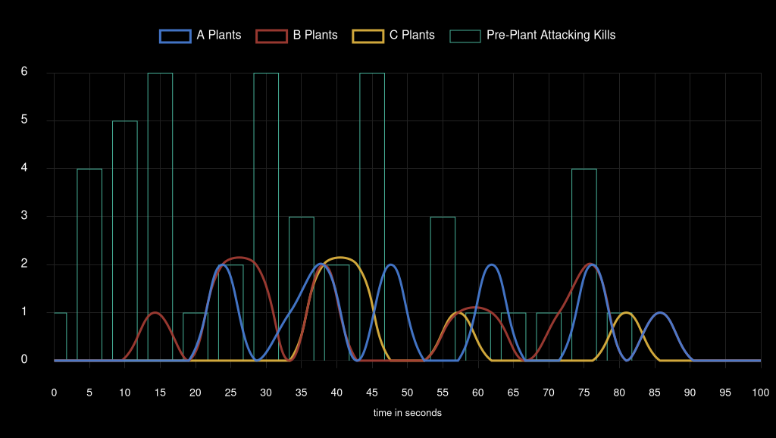
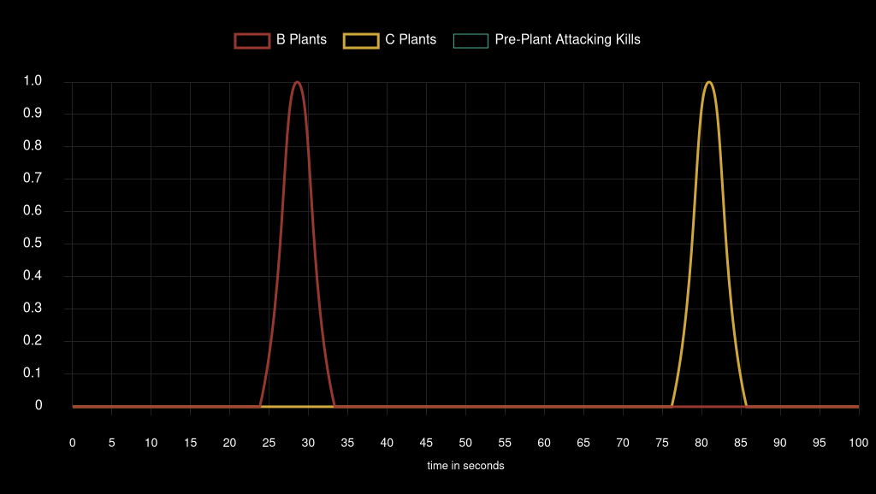
Team Attack Speed |  |  |  |  |  |  |  |  |  | Team Pistol Attack Speed


Bind Plant Locations |  |  |  |  |  |  |  |  | Bind Pistol Round Plant Locations
 |  |  |  |  |  |  |  |  | NO DATA FOUND |  | NO DATA FOUND |  | NO DATA FOUND |  | NO DATA FOUND

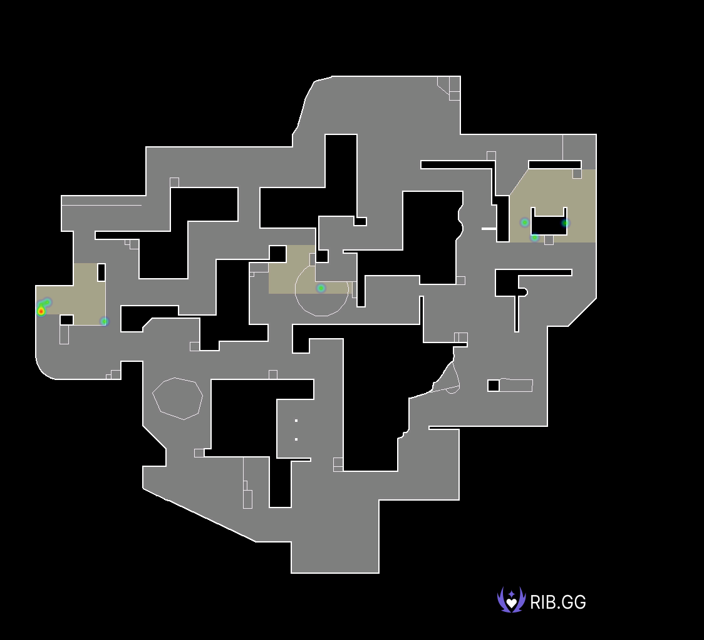

Lotus Plant Locations |  |  |  |  |  |  |  |  | Lotus Pistol Round Plant Locations

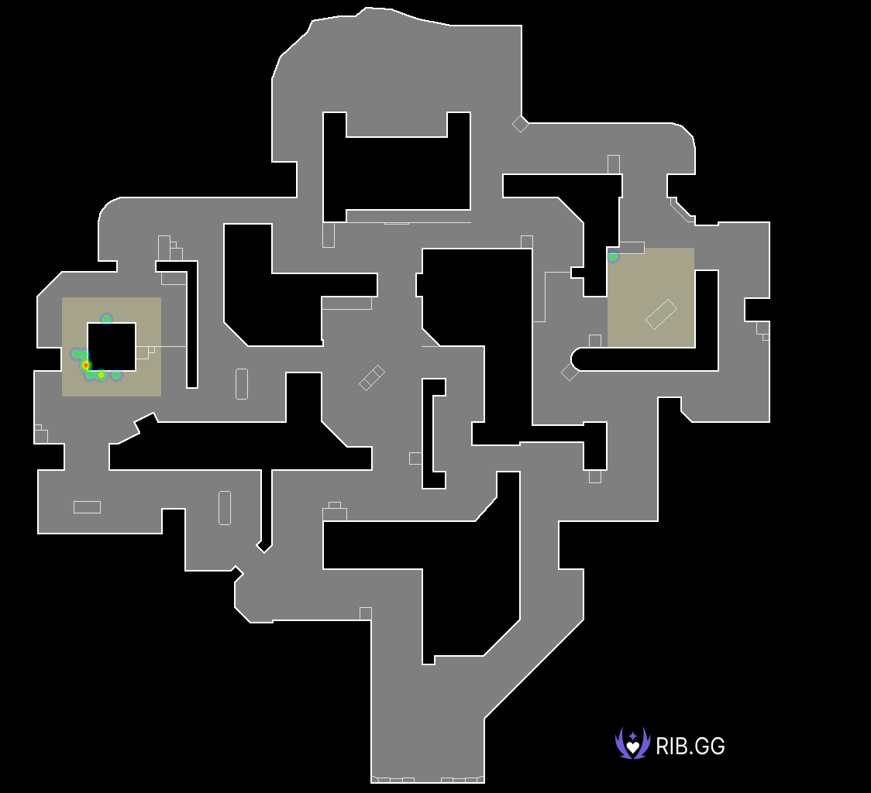
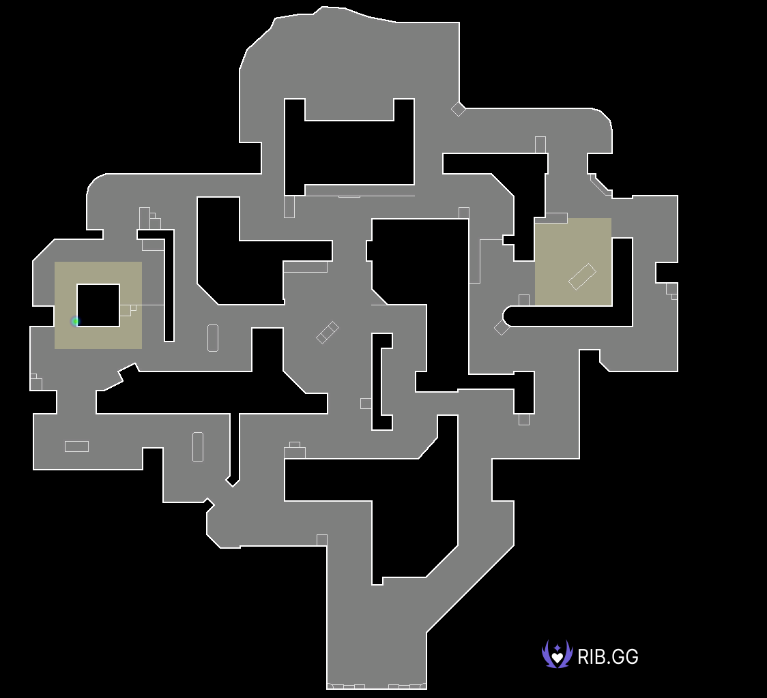
Sunset Plant Locations |  |  |  |  |  |  |  |  | Sunset Pistol Round Plant Locations

Team Heretics
 | SEN | TH |  | Team Win Conditions |  |  |  |  |  |  |  |  | XvY Performance
Ban | Breeze |  |  | Team | Map Id | Map | Condition | Attacking Wins | Attacking Losses | Defending Wins | Defending Losses |  | Team | Situation | Delta | Win % | Wins | Losses
Ban |  | Ascent |  | Team Heretics | 3 | Bind | bomb | 3 | 0 | 0 | 1 |  | Team Heretics | 5v1 | +4 | 100.00 | 5 | 0
Pick | Lotus |  |  | Team Heretics | 3 | Bind | defuse | 0 | 4 | 4 | 0 |  | Team Heretics | 5v2 | +3 | 100.00 | 3 | 0
Pick |  | Sunset |  | Team Heretics | 3 | Bind | kills (post-plant) | 2 | 0 | 0 | 4 |  | Team Heretics | 4v1 | +3 | 100.00 | 5 | 0
Ban | İcebox |  |  | Team Heretics | 3 | Bind | kills (pre-plant) | 0 | 3 | 2 | 1 |  | Team Heretics | 5v3 | +2 | 100.00 | 8 | 0
Ban |  | Split |  | Team Heretics | 11 | Lotus | bomb | 2 | 0 | 0 | 0 |  | Team Heretics | 4v2 | +2 | 80.00 | 8 | 2
Decider | Bind |  |  | Team Heretics | 11 | Lotus | defuse | 0 | 1 | 1 | 0 |  | Team Heretics | 3v1 | +2 | 100.00 | 8 | 0
 |  |  |  | Team Heretics | 11 | Lotus | kills (post-plant) | 5 | 0 | 0 | 6 |  | Team Heretics | 5v4 | +1 | 85.71 | 12 | 2
 |  |  |  | Team Heretics | 11 | Lotus | kills (pre-plant) | 1 | 3 | 0 | 3 |  | Team Heretics | 4v3 | +1 | 72.72 | 8 | 3
 |  |  |  | Team Heretics | 12 | Sunset | bomb | 1 | 0 | 0 | 0 |  | Team Heretics | 3v2 | +1 | 66.66 | 6 | 3
 |  |  |  | Team Heretics | 12 | Sunset | defuse | 0 | 1 | 7 | 0 |  | Team Heretics | 2v1 | +1 | 66.66 | 4 | 2
 |  |  |  | Team Heretics | 12 | Sunset | kills (post-plant) | 2 | 0 | 0 | 3 |  | Team Heretics | 4v4 | 0 | 50.00 | 5 | 5
 |  |  |  | Team Heretics | 12 | Sunset | kills (pre-plant) | 2 | 0 | 1 | 1 |  | Team Heretics | 3v3 | 0 | 41.66 | 5 | 7
 |  |  |  |  |  |  |  |  |  |  |  |  | Team Heretics | 2v2 | 0 | 46.15 | 6 | 7
 |  |  |  |  |  |  |  |  |  |  |  |  | Team Heretics | 1v1 | 0 | 14.28 | 1 | 6
 |  |  |  |  |  |  |  |  |  |  |  |  | Team Heretics | 4v5 | -1 | 23.52 | 4 | 13
 |  |  |  |  |  |  |  |  |  |  |  |  | Team Heretics | 3v4 | -1 | 20.00 | 3 | 12
Team Round Performance |  |  |  |  |  | Team Pistol Round Performance |  |  |  |  |  |  | Team Heretics | 2v3 | -1 | 2024-11-11 | 1 | 8
Team | Map | Wins | Losses | Win Percentage |  | Team | Map | Wins | Losses | Win Percentage |  |  | Team Heretics | 1v2 | -1 | 0.00 | 0 | 9
Team Heretics | Bind | 11 | 13 | 46% |  | Team Heretics | Bind | 1 | 1 | 50% |  |  | Team Heretics | 3v5 | -2 | 0.00 | 0 | 4
Team Heretics | Lotus | 9 | 13 | 41% |  | Team Heretics | Lotus | 0 | 2 | 0% |  |  | Team Heretics | 2v4 | -2 | 0.00 | 0 | 3
Team Heretics | Sunset | 13 | 5 | 72% |  | Team Heretics | Sunset | 2 | 0 | 100% |  |  | Team Heretics | 1v3 | -2 | 0.00 | 0 | 8
 |  |  |  |  |  |  |  |  |  |  |  |  | Team Heretics | 2v5 | -3 | 0.00 | 0 | 2
Team ATK Side Round Performance |  |  |  |  |  | Team ATK Side Pistol Round Performance |  |  |  |  |  |  | Team Heretics | 1v4 | -3 | 0.00 | 0 | 3
Team | Map | Wins | Losses | Win Percentage |  | Team | Map | Wins | Losses | Win Percentage |  |  | Team Heretics | 1v5 | -4 | 0.00 | 0 | 3
Team Heretics | Bind | 5 | 7 | 42% |  | Team Heretics | Bind | 0 | 1 | 0%
Team Heretics | Lotus | 8 | 4 | 67% |  | Team Heretics | Lotus | 0 | 1 | 0%
Team Heretics | Sunset | 5 | 1 | 83% |  | Team Heretics | Sunset | 1 | 0 | 100%

Team DEF Side Round Performance |  |  |  |  |  | Team DEF Side Pistol Round Performance
Team | Map | Wins | Losses | Win Percentage |  | Team | Map | Wins | Losses | Win Percentage
Team Heretics | Bind | 6 | 6 | 50% |  | Team Heretics | Bind | 1 | 0 | 100%
Team Heretics | Lotus | 1 | 9 | 10% |  | Team Heretics | Lotus | 0 | 1 | 0%
Team Heretics | Sunset | 8 | 4 | 67% |  | Team Heretics | Sunset | 1 | 0 | 100%

Team Post Plant Performance |  |  |  |  |  |  | *** |  |  |  |  |  | ***
Team | Map | Site | Plants | Percentage Of Total Plants | Post Plant Attacking Wins | Post Plant Attacking Losses | Post Plant Win Percentage | Post Plant Loss Percentage | Opponent Plants | Percentage Of Total Opponent Plants | Post Plant Defending Wins | Post Plant Defending Losses | Post Plant Retake Success Percentage | Post Plant Retake Failure Percentage
Team Heretics | Bind | A | 2 | 22.00 | 1 | 1 | 50.00 | 50.00 | 7 | 78.00 | 3 | 4 | 43.00 | 57.00
Team Heretics | Bind | B | 7 | 78.00 | 4 | 3 | 57.00 | 43.00 | 2 | 22.00 | 1 | 1 | 50.00 | 50.00
Team Heretics | Lotus | A | 3 | 38.00 | 3 | 0 | 100.00 | 0.00 | 3 | 30.00 | 1 | 2 | 33.00 | 67.00
Team Heretics | Lotus | B | 2 | 25.00 | 2 | 0 | 100.00 | 0.00 | 1 | 10.00 | 0 | 1 | 0.00 | 100.00
Team Heretics | Lotus | C | 3 | 38.00 | 2 | 1 | 67.00 | 33.00 | 6 | 60.00 | 0 | 6 | 0.00 | 100.00
Team Heretics | Sunset | A | 3 | 50.00 | 3 | 0 | 100.00 | 0.00 | 1 | 9.00 | 0 | 1 | 0.00 | 100.00
Team Heretics | Sunset | B | 3 | 50.00 | 2 | 1 | 67.00 | 33.00 | 10 | 91.00 | 7 | 3 | 70.00 | 30.00

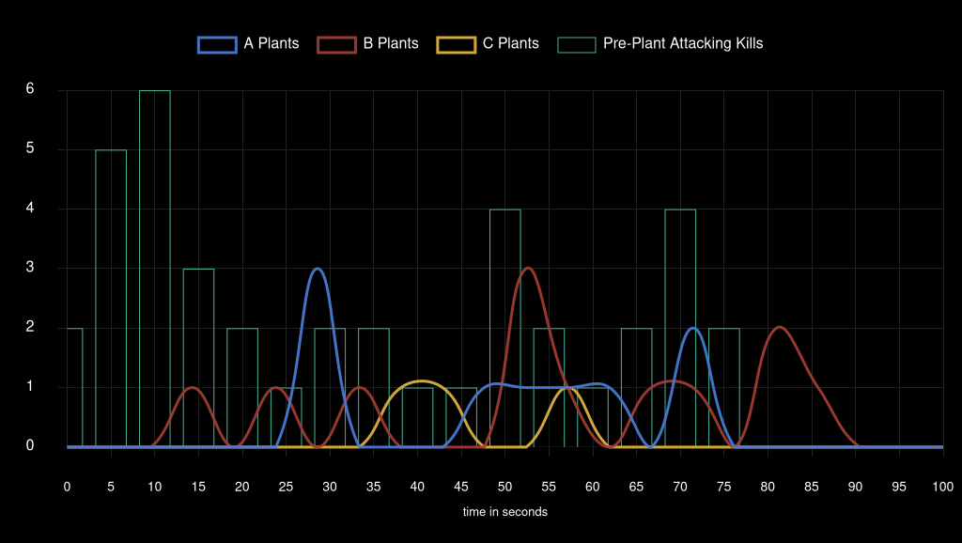
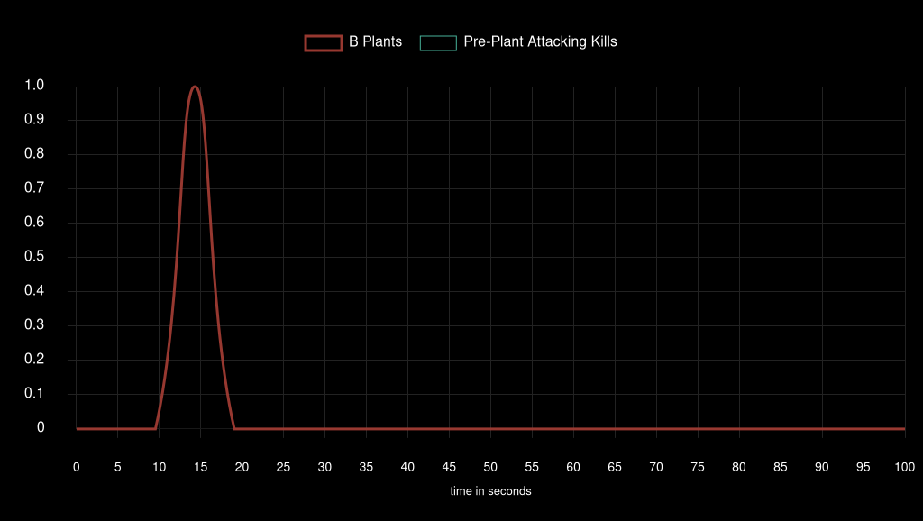
Team Attack Speed |  |  |  |  |  |  |  |  |  | Team Pistol Attack Speed


Bind Plant Locations |  |  |  |  |  |  |  |  | Bind Pistol Round Plant Locations
 |  |  |  |  |  |  |  |  | NO DATA FOUND |  | NO DATA FOUND |  | NO DATA FOUND |  | NO DATA FOUND

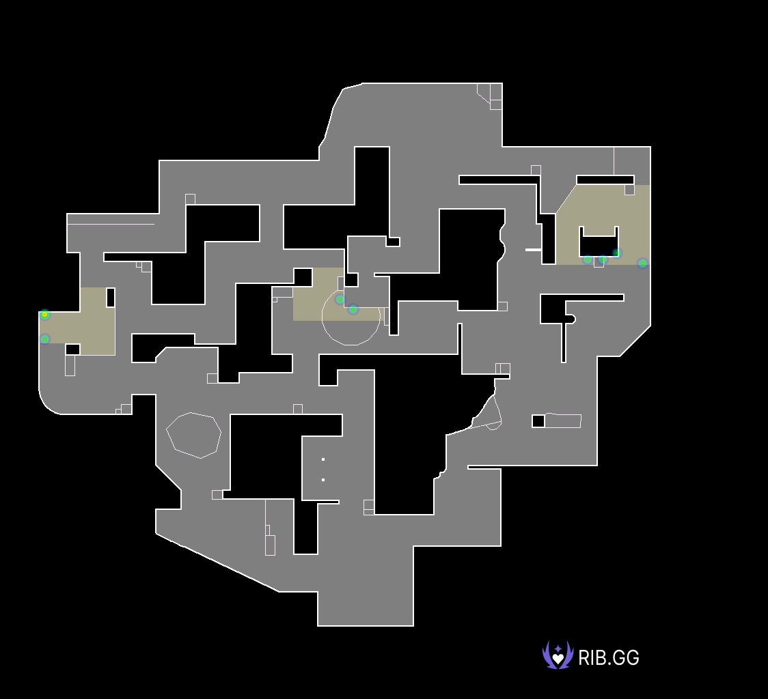
Lotus Plant Locations |  |  |  |  |  |  |  |  | Lotus Pistol Round Plant Locations
 |  |  |  |  |  |  |  |  | NO DATA FOUND |  | NO DATA FOUND |  | NO DATA FOUND |  | NO DATA FOUND

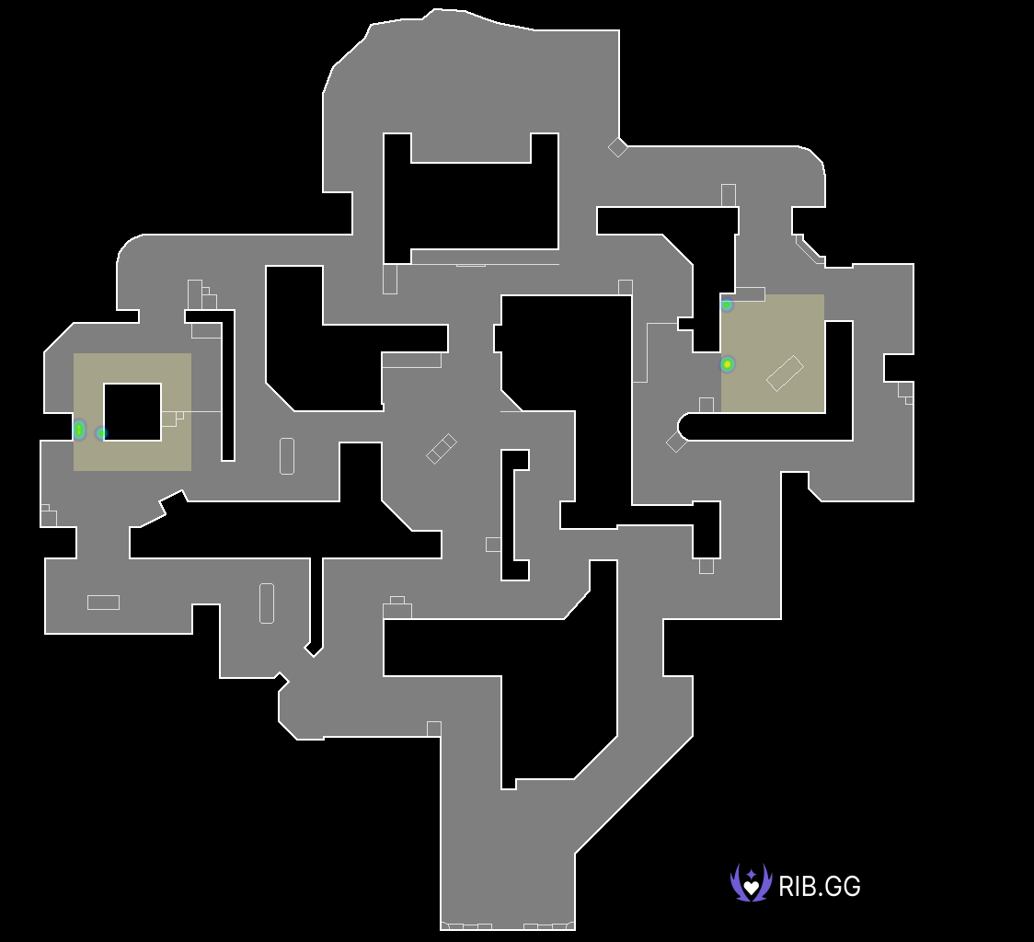

Sunset Plant Locations |  |  |  |  |  |  |  |  | Sunset Pistol Round Plant Locations

EDward Gaming
 | EDG | PRX |  | Team Win Conditions |  |  |  |  |  |  |  |  | XvY Performance
Ban |  | Breeze |  | Team | Map Id | Map | Condition | Attacking Wins | Attacking Losses | Defending Wins | Defending Losses |  | Team | Situation | Delta | Win % | Wins | Losses
Ban | Lotus |  |  | EDward Gaming | 3 | Bind | bomb | 1 | 0 | 0 | 0 |  | EDward Gaming | 5v1 | +4 | 80.00 | 4 | 1
Pick |  | Sunset |  | EDward Gaming | 3 | Bind | defuse | 0 | 1 | 3 | 0 |  | EDward Gaming | 5v2 | +3 | 100.00 | 7 | 0
Pick | Bind |  |  | EDward Gaming | 3 | Bind | kills (post-plant) | 4 | 0 | 0 | 3 |  | EDward Gaming | 4v1 | +3 | 100.00 | 9 | 0
Ban |  | Icebox |  | EDward Gaming | 3 | Bind | kills (pre-plant) | 0 | 3 | 4 | 1 |  | EDward Gaming | 5v3 | +2 | 83.33 | 10 | 2
Ban | Ascent |  |  | EDward Gaming | 3 | Bind | time | 0 | 1 | 1 | 0 |  | EDward Gaming | 4v2 | +2 | 90.00 | 9 | 1
Decider | Split |  |  | EDward Gaming | 2 | Split | bomb | 1 | 0 | 0 | 2 |  | EDward Gaming | 3v1 | +2 | 88.88 | 8 | 1
 |  |  |  | EDward Gaming | 2 | Split | defuse | 0 | 1 | 4 | 0 |  | EDward Gaming | 5v4 | +1 | 71.42 | 15 | 6
 |  |  |  | EDward Gaming | 2 | Split | kills (post-plant) | 3 | 0 | 0 | 1 |  | EDward Gaming | 4v3 | +1 | 87.50 | 7 | 1
 |  |  |  | EDward Gaming | 2 | Split | kills (pre-plant) | 1 | 4 | 4 | 1 |  | EDward Gaming | 3v2 | +1 | 75.00 | 6 | 2
 |  |  |  | EDward Gaming | 12 | Sunset | bomb | 2 | 0 | 0 | 2 |  | EDward Gaming | 2v1 | +1 | 87.50 | 7 | 1
 |  |  |  | EDward Gaming | 12 | Sunset | defuse | 0 | 0 | 2 | 0 |  | EDward Gaming | 4v4 | 0 | 47.36 | 9 | 10
 |  |  |  | EDward Gaming | 12 | Sunset | kills (post-plant) | 3 | 0 | 0 | 3 |  | EDward Gaming | 3v3 | 0 | 30.00 | 3 | 7
 |  |  |  | EDward Gaming | 12 | Sunset | kills (pre-plant) | 0 | 4 | 1 | 4 |  | EDward Gaming | 2v2 | 0 | 57.14 | 4 | 3
 |  |  |  |  |  |  |  |  |  |  |  |  | EDward Gaming | 1v1 | 0 | 60.00 | 3 | 2
 |  |  |  |  |  |  |  |  |  |  |  |  | EDward Gaming | 4v5 | -1 | 30.00 | 6 | 14
 |  |  |  |  |  |  |  |  |  |  |  |  | EDward Gaming | 3v4 | -1 | 37.50 | 3 | 5
Team Round Performance |  |  |  |  |  | Team Pistol Round Performance |  |  |  |  |  |  | EDward Gaming | 2v3 | -1 | 14.28 | 1 | 6
Team | Map | Wins | Losses | Win Percentage |  | Team | Map | Wins | Losses | Win Percentage |  |  | EDward Gaming | 1v2 | -1 | 0.00 | 0 | 5
EDward Gaming | Bind | 13 | 9 | 59% |  | EDward Gaming | Bind | 0 | 2 | 0% |  |  | EDward Gaming | 3v5 | -2 | 0.00 | 0 | 6
EDward Gaming | Split | 13 | 9 | 59% |  | EDward Gaming | Split | 1 | 1 | 50% |  |  | EDward Gaming | 2v4 | -2 | 0.00 | 0 | 5
EDward Gaming | Sunset | 8 | 13 | 38% |  | EDward Gaming | Sunset | 1 | 1 | 50% |  |  | EDward Gaming | 1v3 | -2 | 0.00 | 0 | 4
 |  |  |  |  |  |  |  |  |  |  |  |  | EDward Gaming | 2v5 | -3 | 0.00 | 0 | 2
Team ATK Side Round Performance |  |  |  |  |  | Team ATK Side Pistol Round Performance |  |  |  |  |  |  | EDward Gaming | 1v4 | -3 | 0.00 | 0 | 6
Team | Map | Wins | Losses | Win Percentage |  | Team | Map | Wins | Losses | Win Percentage |  |  | EDward Gaming | 1v5 | -4 | 0.00 | 0 | 5
EDward Gaming | Bind | 5 | 5 | 50% |  | EDward Gaming | Bind | 0 | 1 | 0%
EDward Gaming | Split | 5 | 5 | 50% |  | EDward Gaming | Split | 0 | 1 | 0%
EDward Gaming | Sunset | 5 | 4 | 56% |  | EDward Gaming | Sunset | 0 | 1 | 0%

Team DEF Side Round Performance |  |  |  |  |  | Team DEF Side Pistol Round Performance
Team | Map | Wins | Losses | Win Percentage |  | Team | Map | Wins | Losses | Win Percentage
EDward Gaming | Bind | 8 | 4 | 67% |  | EDward Gaming | Bind | 0 | 1 | 0%
EDward Gaming | Split | 8 | 4 | 67% |  | EDward Gaming | Split | 1 | 0 | 100%
EDward Gaming | Sunset | 3 | 9 | 25% |  | EDward Gaming | Sunset | 1 | 0 | 100%

Team Post Plant Performance |  |  |  |  |  |  | *** |  |  |  |  |  | ***
Team | Map | Site | Plants | Percentage Of Total Plants | Post Plant Attacking Wins | Post Plant Attacking Losses | Post Plant Win Percentage | Post Plant Loss Percentage | Opponent Plants | Percentage Of Total Opponent Plants | Post Plant Defending Wins | Post Plant Defending Losses | Post Plant Retake Success Percentage | Post Plant Retake Failure Percentage
EDward Gaming | Bind | A | 4 | 67.00 | 4 | 0 | 100.00 | 0.00 | 3 | 50.00 | 1 | 2 | 33.00 | 67.00
EDward Gaming | Bind | B | 2 | 33.00 | 1 | 1 | 50.00 | 50.00 | 3 | 50.00 | 2 | 1 | 67.00 | 33.00
EDward Gaming | Split | A | 5 | 100.00 | 4 | 1 | 80.00 | 20.00 | 6 | 75.00 | 4 | 2 | 67.00 | 33.00
EDward Gaming | Split | B | 0 | 0.00 | 0 | 0 | 0 | 0 | 2 | 25.00 | 0 | 2 | 0.00 | 100.00
EDward Gaming | Sunset | A | 3 | 60.00 | 3 | 0 | 100.00 | 0.00 | 6 | 60.00 | 2 | 4 | 33.00 | 67.00
EDward Gaming | Sunset | B | 2 | 40.00 | 2 | 0 | 100.00 | 0.00 | 4 | 40.00 | 0 | 4 | 0.00 | 100.00

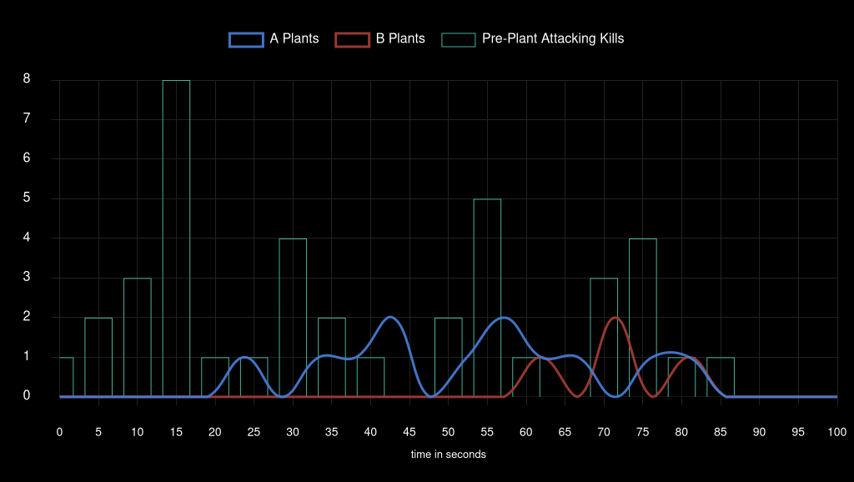
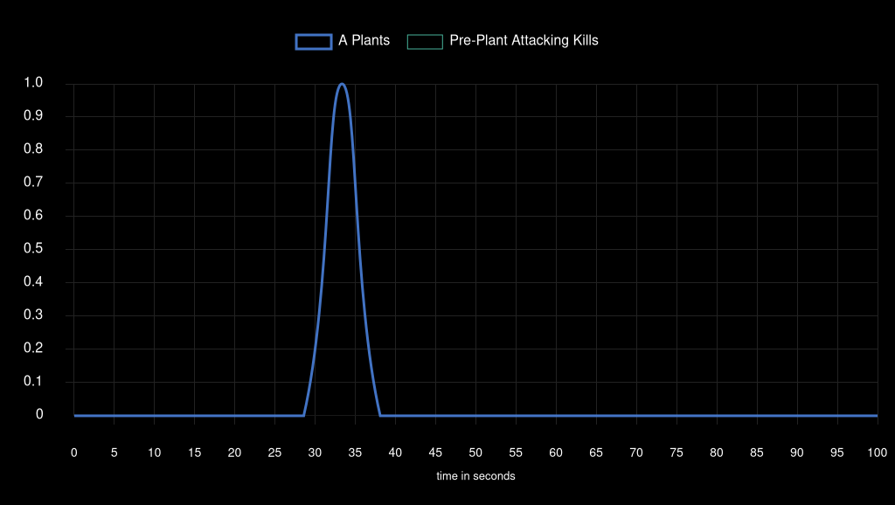
Team Attack Speed |  |  |  |  |  |  |  |  |  | Team Pistol Attack Speed


Bind Plant Locations |  |  |  |  |  |  |  |  | Bind Pistol Round Plant Locations
 |  |  |  |  |  |  |  |  | NO DATA FOUND |  | NO DATA FOUND |  | NO DATA FOUND |  | NO DATA FOUND

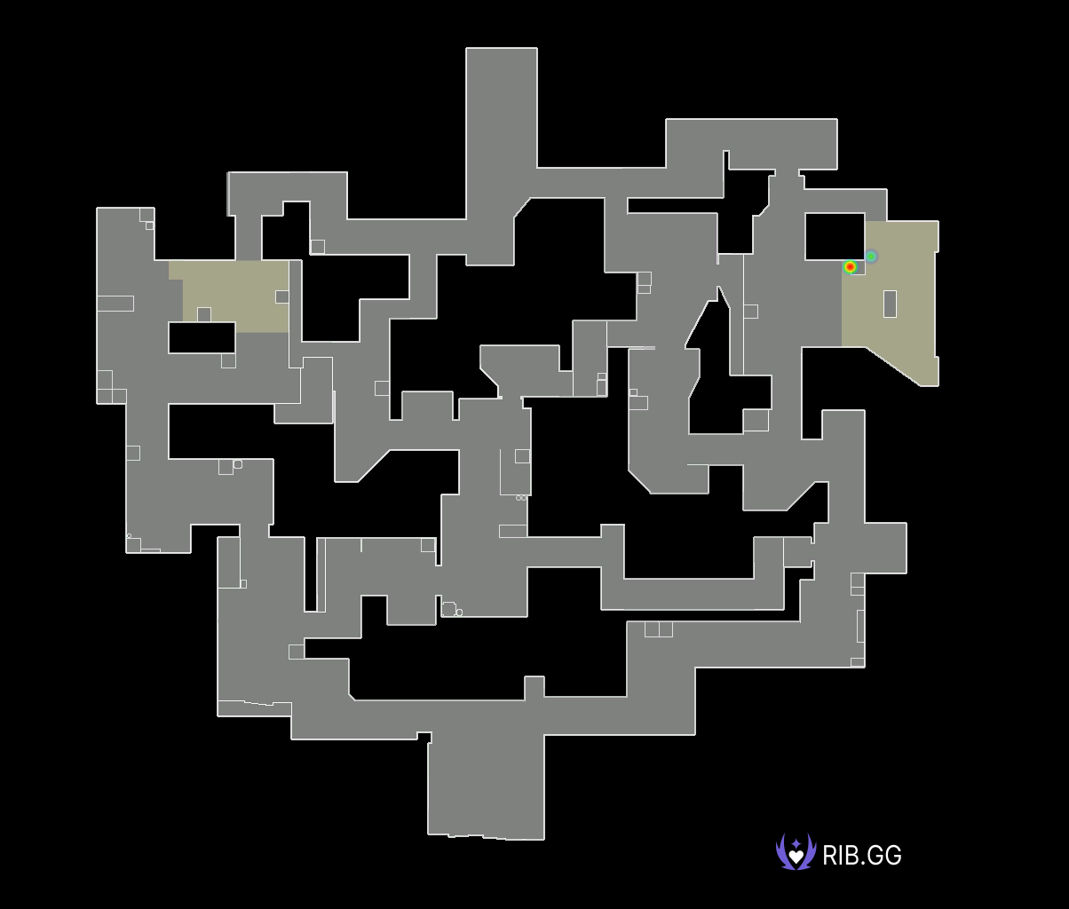

Split Plant Locations |  |  |  |  |  |  |  |  | Split Pistol Round Plant Locations


Sunset Plant Locations |  |  |  |  |  |  |  |  | Sunset Pistol Round Plant Locations
 |  |  |  |  |  |  |  |  | NO DATA |  | NO DATA |  | NO DATA |  | NO DATA

Paper Rex
 | EDG | PRX |  | Team Win Conditions |  |  |  |  |  |  |  |  | XvY Performance
Ban |  | Breeze |  | Team | Map Id | Map | Condition | Attacking Wins | Attacking Losses | Defending Wins | Defending Losses |  | Team | Situation | Delta | Win % | Wins | Losses
Ban | Lotus |  |  | Paper Rex | 3 | Bind | bomb | 0 | 0 | 0 | 1 |  | Paper Rex | 5v1 | +4 | 100.00 | 5 | 0
Pick |  | Sunset |  | Paper Rex | 3 | Bind | defuse | 0 | 3 | 1 | 0 |  | Paper Rex | 5v2 | +3 | 100.00 | 2 | 0
Pick | Bind |  |  | Paper Rex | 3 | Bind | kills (post-plant) | 3 | 0 | 0 | 4 |  | Paper Rex | 4v1 | +3 | 100.00 | 6 | 0
Ban |  | Icebox |  | Paper Rex | 3 | Bind | kills (pre-plant) | 1 | 4 | 3 | 0 |  | Paper Rex | 5v3 | +2 | 100.00 | 6 | 0
Ban | Ascent |  |  | Paper Rex | 3 | Bind | time | 0 | 1 | 1 | 0 |  | Paper Rex | 4v2 | +2 | 100.00 | 5 | 0
Decider | Split |  |  | Paper Rex | 2 | Split | bomb | 2 | 0 | 0 | 1 |  | Paper Rex | 3v1 | +2 | 100.00 | 4 | 0
 |  |  |  | Paper Rex | 2 | Split | defuse | 0 | 4 | 1 | 0 |  | Paper Rex | 5v4 | +1 | 70.00 | 14 | 6
 |  |  |  | Paper Rex | 2 | Split | kills (post-plant) | 1 | 0 | 0 | 3 |  | Paper Rex | 4v3 | +1 | 62.50 | 5 | 3
 |  |  |  | Paper Rex | 2 | Split | kills (pre-plant) | 1 | 4 | 4 | 1 |  | Paper Rex | 3v2 | +1 | 85.71 | 6 | 1
 |  |  |  | Paper Rex | 12 | Sunset | bomb | 2 | 0 | 0 | 2 |  | Paper Rex | 2v1 | +1 | 100.00 | 5 | 0
 |  |  |  | Paper Rex | 12 | Sunset | defuse | 0 | 2 | 0 | 0 |  | Paper Rex | 4v4 | 0 | 52.63 | 10 | 9
 |  |  |  | Paper Rex | 12 | Sunset | kills (post-plant) | 3 | 0 | 0 | 3 |  | Paper Rex | 3v3 | 0 | 70.00 | 7 | 3
 |  |  |  | Paper Rex | 12 | Sunset | kills (pre-plant) | 4 | 1 | 4 | 0 |  | Paper Rex | 2v2 | 0 | 42.85 | 3 | 4
 |  |  |  |  |  |  |  |  |  |  |  |  | Paper Rex | 1v1 | 0 | 40.00 | 2 | 3
 |  |  |  |  |  |  |  |  |  |  |  |  | Paper Rex | 4v5 | -1 | 28.57 | 6 | 15
 |  |  |  |  |  |  |  |  |  |  |  |  | Paper Rex | 3v4 | -1 | 12.50 | 1 | 7
Team Round Performance |  |  |  |  |  | Team Pistol Round Performance |  |  |  |  |  |  | Paper Rex | 2v3 | -1 | 25.00 | 2 | 6
Team | Map | Wins | Losses | Win Percentage |  | Team | Map | Wins | Losses | Win Percentage |  |  | Paper Rex | 1v2 | -1 | 12.50 | 1 | 7
Paper Rex | Bind | 9 | 13 | 41% |  | Paper Rex | Bind | 2 | 0 | 100% |  |  | Paper Rex | 3v5 | -2 | 16.66 | 2 | 10
Paper Rex | Split | 9 | 13 | 41% |  | Paper Rex | Split | 1 | 1 | 50% |  |  | Paper Rex | 2v4 | -2 | 10.00 | 1 | 9
Paper Rex | Sunset | 13 | 8 | 62% |  | Paper Rex | Sunset | 1 | 1 | 50% |  |  | Paper Rex | 1v3 | -2 | 2024-11-11 | 1 | 8
 |  |  |  |  |  |  |  |  |  |  |  |  | Paper Rex | 2v5 | -3 | 0.00 | 0 | 7
Team ATK Side Round Performance |  |  |  |  |  | Team ATK Side Pistol Round Performance |  |  |  |  |  |  | Paper Rex | 1v4 | -3 | 0.00 | 0 | 9
Team | Map | Wins | Losses | Win Percentage |  | Team | Map | Wins | Losses | Win Percentage |  |  | Paper Rex | 1v5 | -4 | 20.00 | 1 | 4
Paper Rex | Bind | 4 | 8 | 33% |  | Paper Rex | Bind | 1 | 0 | 100%
Paper Rex | Split | 4 | 8 | 33% |  | Paper Rex | Split | 0 | 1 | 0%
Paper Rex | Sunset | 9 | 3 | 75% |  | Paper Rex | Sunset | 0 | 1 | 0%

Team DEF Side Round Performance |  |  |  |  |  | Team DEF Side Pistol Round Performance
Team | Map | Wins | Losses | Win Percentage |  | Team | Map | Wins | Losses | Win Percentage
Paper Rex | Bind | 5 | 5 | 50% |  | Paper Rex | Bind | 1 | 0 | 100%
Paper Rex | Split | 5 | 5 | 50% |  | Paper Rex | Split | 1 | 0 | 100%
Paper Rex | Sunset | 4 | 5 | 44% |  | Paper Rex | Sunset | 1 | 0 | 100%

Team Post Plant Performance |  |  |  |  |  |  | *** |  |  |  |  |  | ***
Team | Map | Site | Plants | Percentage Of Total Plants | Post Plant Attacking Wins | Post Plant Attacking Losses | Post Plant Win Percentage | Post Plant Loss Percentage | Opponent Plants | Percentage Of Total Opponent Plants | Post Plant Defending Wins | Post Plant Defending Losses | Post Plant Retake Success Percentage | Post Plant Retake Failure Percentage
Paper Rex | Bind | A | 3 | 50.00 | 2 | 1 | 67.00 | 33.00 | 4 | 67.00 | 0 | 4 | 0.00 | 100.00
Paper Rex | Bind | B | 3 | 50.00 | 1 | 2 | 33.00 | 67.00 | 2 | 33.00 | 1 | 1 | 50.00 | 50.00
Paper Rex | Split | A | 6 | 75.00 | 2 | 4 | 33.00 | 67.00 | 5 | 100.00 | 1 | 4 | 20.00 | 80.00
Paper Rex | Split | B | 2 | 25.00 | 2 | 0 | 100.00 | 0.00 | 0 | 0.00 | 0 | 0 | 0 | 0
Paper Rex | Sunset | A | 6 | 60.00 | 4 | 2 | 67.00 | 33.00 | 3 | 60.00 | 0 | 3 | 0.00 | 100.00
Paper Rex | Sunset | B | 4 | 40.00 | 4 | 0 | 100.00 | 0.00 | 2 | 40.00 | 0 | 2 | 0.00 | 100.00

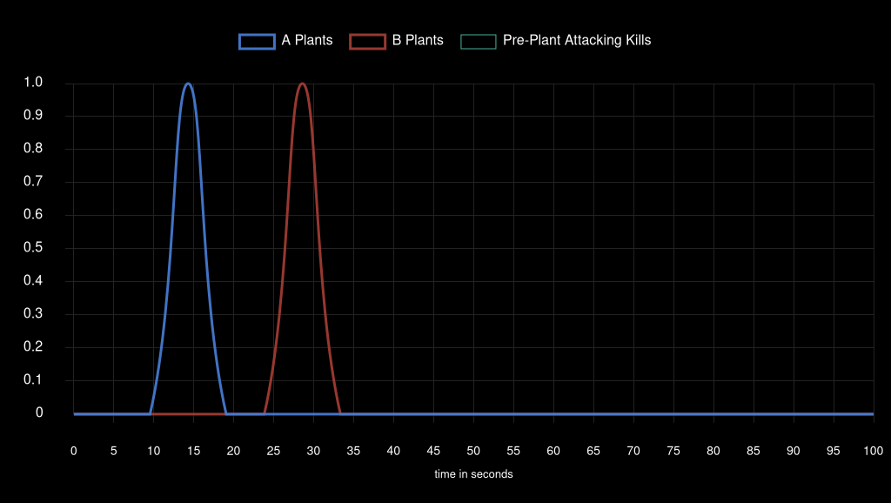
Team Attack Speed |  |  |  |  |  |  |  |  |  | Team Pistol Attack Speed

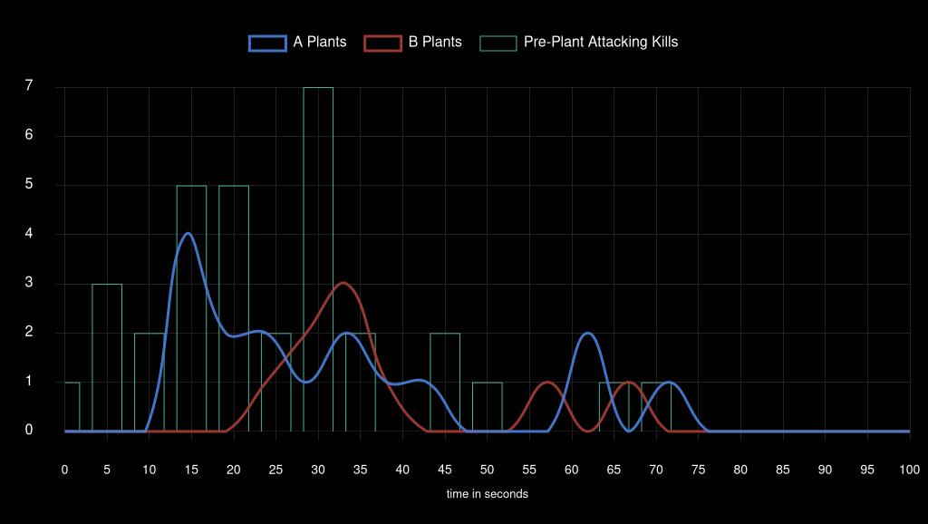



Bind Plant Locations |  |  |  |  |  |  |  |  | Bind Pistol Round Plant Locations


Split Plant Locations |  |  |  |  |  |  |  |  | Split Pistol Round Plant Locations
 |  |  |  |  |  |  |  |  | NO DATA |  | NO DATA |  | NO DATA |  | NO DATA

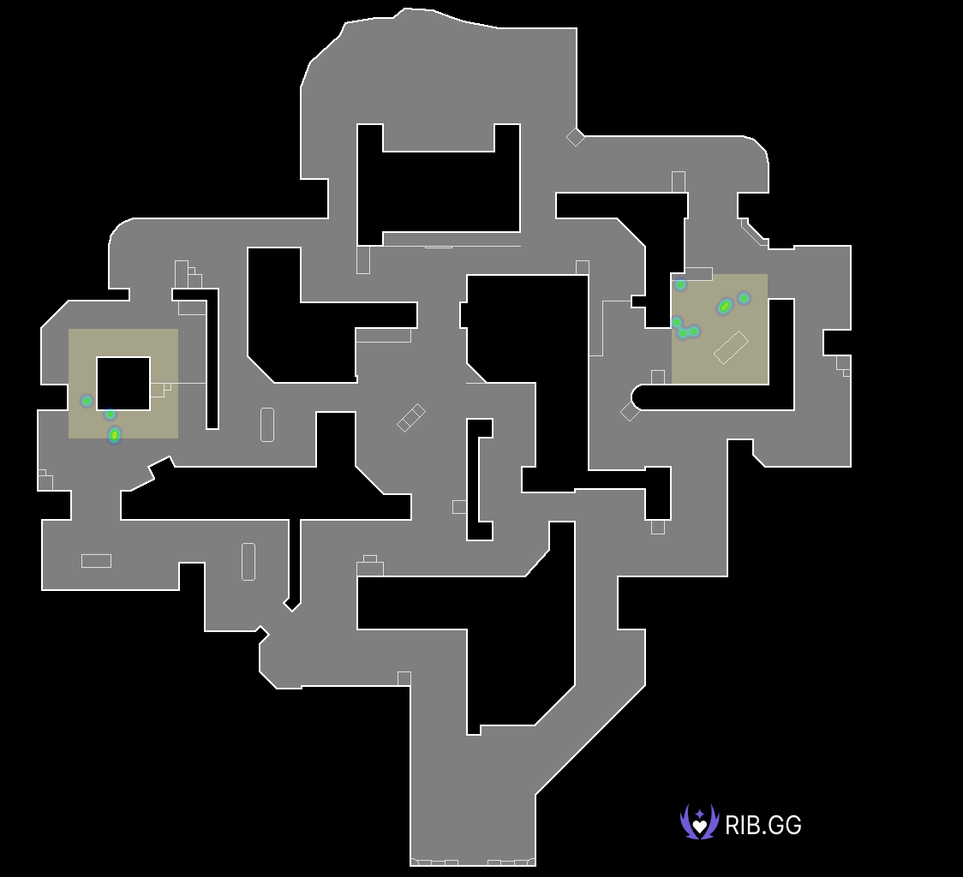

Sunset Plant Locations |  |  |  |  |  |  |  |  | Sunset Pistol Round Plant Locations

